Analysis
Author: | R. Abbott |  |  | Total Report Pages: | 3 |  |  |  |  | Page | Title | Sub | Sub | Sub | Fig | Table | Running Counts | Total Sheet Pages: | 3
Check: |  |  |  | Report: | AA-SM-205-001 |  |  |  |  | No | No | Title | Title | Title | No | No |  | Total Title No: | 0
Date: | 20/10/2013 |  |  | Revision: | IR |  |  |  |  |  |  |  |  |  |  |  |  | Total Sub No: | 0
Section Number: |  |  |  | Sheet Name | FASTENER TERMS AND TORQUES |  |  |  |  |  |  |  |  |  |  |  |  | Total Sub No: | 0
Report Title: | STANDARD SPREADSHEET METHOD |  |  |  |  |  |  |  |  |  |  |  |  |  |  |  |  | Total Sub No: | 0
Section: |  |  |  |  |  |  |  |  |  |  |  |  |  |  |  |  |  | Total Fig No: | 0
 |  |  |  |  |  |  |  |  |  |  |  |  |  |  |  |  |  | Total Table No: | 0
 |  |  | Author: | R. Abbott |  |  | Document Number: | AA-SM-205-001
 |  |  | Check: |  |  |  | Revision Level : | IR |  | 1
 |  |  | Date: | 20/10/2013 |  |  | Page: | 1 of 3 | 1
 |  |  | Title: | STANDARD SPREADSHEET METHOD
FASTENER TERMS AND TORQUES

Tap size | NF/NC UNF/UNC | Threads per inch | Basic major dia (inches) | Basic effective dia (inches) | Basic minor dia of ext. threads (inches) | Basic minor dia of int. threads (inches) | Drill size

0-80 | UNF | 80 | 0.0600 | 0.0519 | 0.0447 | 0.0465 | 0.046875
1-64 | UNC | 64 | 0.0730 | 0.0629 | 0.0538 | 0.0561 | #54
2-56 | UNC | 56 | 0.0860 | 0.0744 | 0.0641 | 0.0667 | #50
2-64 | UNF | 64 | 0.0860 | 0.0759 | 0.0668 | 0.0691 | #50
4-40 | UNC | 40 | 0.1120 | 0.0958 | 0.0813 | 0.0849 | #43
4-48 | UNF | 48 | 0.1120 | 0.0985 | 0.0864 | 0.0894 | #42
5-40 | UNC | 40 | 0.1250 | 0.1088 | 0.0943 | 0.0979 | #38
5-44 | UNF | 44 | 0.1250 | 0.1102 | 0.0971 | 0.1004 | #37
6-32 | UNC | 32 | 0.1360 | 0.1177 | 0.0997 | 0.1042 | #36
6-40 | UNF | 40 | 0.1360 | 0.1218 | 0.1073 | 0.1109 | #33
8-32 | UNC | 32 | 0.1640 | 0.1437 | 0.1257 | 0.1302 | #29
8-36 | UNF | 36 | 0.1640 | 0.1460 | 0.1299 | 0.1339 | #29
10-24 | UNC | 24 | 0.1900 | 0.1629 | 0.1389 | 0.1449 | #25
10-32 | UNF | 32 | 0.1900 | 0.1697 | 0.1517 | 0.1562 | #21
1/4-20 | UNC | 20 | 0.2500 | 0.2175 | 0.1887 | 0.1959 | #7
1/4-28 | UNF | 28 | 0.2500 | 0.2268 | 0.2062 | 0.2113 | #3
5/16-18 | UNC | 18 | 0.3125 | 0.2764 | 0.2443 | 0.2524 | F
5/16-24 | UNF | 24 | 0.3125 | 0.2854 | 0.2614 | 0.2674 | I
3/8-16 | UNC | 16 | 0.3750 | 0.3344 | 0.2983 | 0.3073 | 0.3125
3/8-24 | UNF | 24 | 0.3750 | 0.3479 | 0.3239 | 0.3299 | Q
7/16-14 | UNC | 14 | 0.4375 | 0.3911 | 0.3499 | 0.3602 | U
7/16-20 | UNF | 20 | 0.4375 | 0.4050 | 0.3762 | 0.3834 | 25/64
1/2-13 | UNC | 13 | 0.5000 | 0.4500 | 0.4056 | 0.4167 | 27/64
1/2-20 | UNF | 20 | 0.5000 | 0.4675 | 0.4387 | 0.4459 | 29/64
9-16-12 | UNC | 12 | 0.5625 | 0.5084 | 0.4603 | 0.4723 | 31/64
9/16-18 | UNF | 18 | 0.5625 | 0.5264 | 0.4943 | 0.5024 | 33/64
5/8-11 | UNC | 11 | 0.6250 | 0.5660 | 0.5135 | 0.5266 | 17/32
5/8-18 | UNF | 18 | 0.6250 | 0.5869 | 0.5568 | 0.5649 | 37/64
3/4-10 | UNC | 10 | 0.7500 | 0.6650 | 0.6273 | 0.6417 | 21/32
3/4-16 | UNF | 16 | 0.7500 | 0.7094 | 0.6733 | 0.6823 | 39402
7/8-9 | UNC | 9 | 0.8750 | 0.8028 | 0.7387 | 0.7547 | 49/64
7/8-14 | UNF | 14 | 0.8750 | 0.8286 | 0.7874 | 0.7977 | 13/16
1-8 | UNC | 8 | 1.0000 | 0.9188 | 0.8466 | 0.8647 | 39271
1-14 | UNF | 14 | 1.0000 | 0.9459 | 0.8978 | 0.9098 | 15/16
1 1/18-7 | UNC | 7 | 1.1250 | 1.0322 | 0.9497 | 0.9704 | 63/64
1 1/8-12 | UNF | 12 | 1.1250 | 1.0709 | 1.0228 | 1.0348 | 1.046875
1 1/4-7 | UNC | 7 | 1.2500 | 1.1572 | 1.0747 | 1.0954 | 1.109375
1 3/8-6 | UNC | 6 | 1.3750 | 1.2667 | 1.1705 | 1.1946 | 1.203125
1 1/2-6 | UNC | 6 | 1.5000 | 1.3917 | 1.2955 | 1.3196 | 1.34375
1 3/4-5 | UNC | 5 | 1.7500 | 1.6201 | 1.5046 | 1.5335 | 1.546875
2-4.5 | UNC | 4.5 | 2.0000 | 1.8557 | 1.7274 | 1.7594 | 1.78125

 |  |  | Author: | R. Abbott |  |  | Document Number: | AA-SM-205-001
 |  |  | Check: |  |  |  | Revision Level : | IR |  | 1
 |  |  | Date: | 20/10/2013 |  |  | Page: | 2 of 3 | 2
 |  |  | Title: | STANDARD SPREADSHEET METHOD
FASTENER TERMS AND TORQUES
(NASA-RP-1228, 1990)
(MIL-HDBK-60, 1990)

Bolt Torques
(NASA-RP-1228, 1990) |  |  |  | (MIL-HDBK-60, 1990)

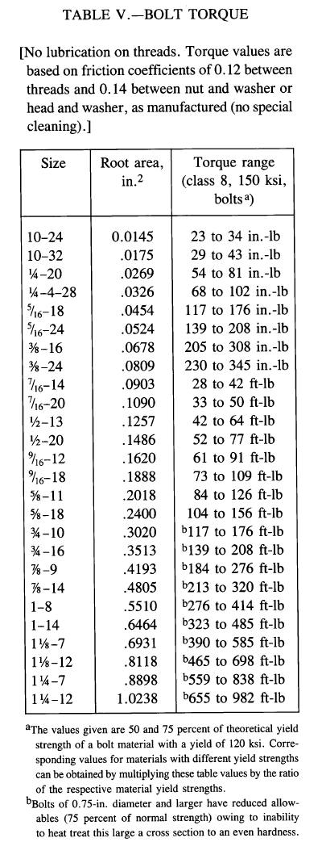
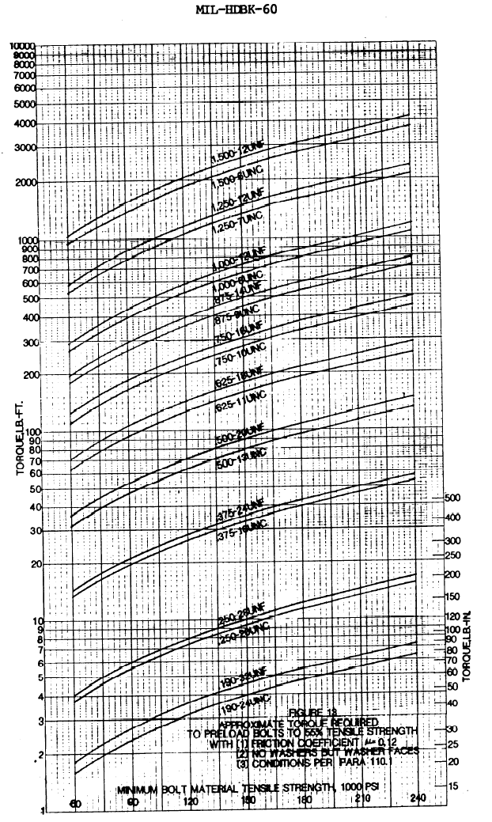

 |  |  | Author: | R. Abbott |  |  | Document Number: | AA-SM-205-001
 |  |  | Check: |  |  |  | Revision Level : | IR |  | 1
 |  |  | Date: | 20/10/2013 |  |  | Page: | 3 of 3 | 3
 |  |  | Title: | STANDARD SPREADSHEET METHOD
FASTENER TERMS AND TORQUES
 |  |  |  |  |  |  |  |  |  |  |  |  |  |  |  |  |  |  | Single cell
 |  |  |  |  |  |  |  |  |  |  |  |  |  |  |  |  |  |  |  | 0.25 | 0.375 | 0.5
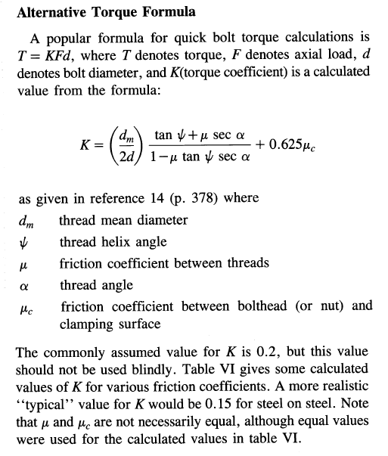
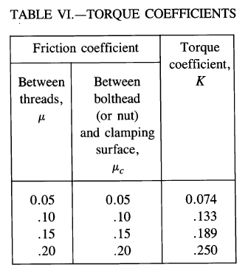
 |  |  |  |  |  |  |  |  |  |  |  |  |  |  |  |  |  | FCU = | FCU = | T = | T = | T =
 |  |  |  |  |  |  |  |  |  |  |  |  |  |  |  |  |  | 60 | 8700 | 31 | 64 | 164
 |  |  |  |  |  |  |  |  |  |  |  |  |  |  |  |  |  | 63 | 9200 | 33 | 68 | 174
 |  |  |  |  |  |  |  |  |  |  |  |  |  |  |  |  |  | 67 | 9700 | 35 | 72 | 183
 |  |  |  |  |  |  |  |  |  |  |  |  |  |  |  |  |  | 70 | 10200 | 36 | 75 | 192
 |  |  |  |  |  |  |  |  |  |  |  |  |  |  |  |  |  | 74 | 10700 | 38 | 79 | 202
 |  |  |  |  |  |  |  |  |  |  |  |  |  |  |  |  |  | 77 | 11200 | 40 | 83 | 211
 |  |  |  |  |  |  |  |  |  |  |  |  |  |  |  |  |  | 81 | 11700 | 42 | 87 | 221
 |  |  |  |  |  |  |  |  |  |  |  |  |  |  |  |  |  | 84 | 12200 | 43 | 90 | 230
 |  |  |  |  |  |  |  |  |  |  |  |  |  |  |  |  |  | 88 | 12700 | 45 | 94 | 240
 |  |  |  |  |  |  |  |  |  |  |  |  |  |  |  |  |  | 91 | 13200 | 47 | 98 | 249
 |  |  |  |  |  |  |  |  |  |  |  |  |  |  |  |  |  | 94 | 13700 | 49 | 101 | 258
 |  |  |  |  |  |  |  |  |  |  |  |  |  |  |  |  |  | 98 | 14200 | 51 | 105 | 268
 |  |  |  |  |  |  |  |  |  |  |  |  |  |  |  |  |  | 101 | 14700 | 52 | 109 | 277
 |  |  |  |  |  |  |  |  |  |  |  |  |  |  |  |  |  | 105 | 15200 | 54 | 112 | 287
 |  |  |  |  |  |  |  |  |  |  |  |  |  |  |  |  |  | 108 | 15700 | 56 | 116 | 296
 |  |  |  |  |  |  |  |  |  |  |  |  |  |  |  |  |  | 112 | 16200 | 58 | 120 | 306
 |  |  |  |  |  |  |  |  |  |  |  |  |  |  |  |  |  | 115 | 16700 | 59 | 124 | 315
 |  |  |  |  |  |  |  |  |  |  |  |  |  |  |  |  |  | 119 | 17200 | 61 | 127 | 324
 |  |  |  |  |  |  |  |  |  |  |  |  |  |  |  |  |  | 122 | 17700 | 63 | 131 | 334
K = | 0.189 |  | Torque Coefficient From Table VI. |  |  |  |  |  |  |  |  |  |  |  |  |  |  | 125 | 18200 | 65 | 135 | 343
d = | 0.1875 | in | Fastener Diameter |  |  |  |  |  |  |  |  |  |  |  |  |  |  | 129 | 18700 | 67 | 138 | 353
A = | 0.0605 | in² | Area of the Fastener Washer |  |  |  |  |  |  |  |  |  |  |  |  |  |  | 132 | 19200 | 68 | 142 | 362
FCU = | 10878 | psi | Crushing Strength of Laminate |  |  |  |  |  |  |  |  |  |  |  |  |  |  | 136 | 19700 | 70 | 146 | 372
F = | 658 | lbs | Axial Load |  |  |  |  |  |  |  |  |  |  |  |  |  |  | 139 | 20200 | 72 | 149 | 381
T = | K × F × d |  |  |  |  |  |  |  |  |  |  |  |  |  |  |  |  | 143 | 20700 | 74 | 153 | 390
= | 0.189 × 658 × 0.188 |  |  |  |  |  |  |  |  |  |  |  |  |  |  |  |  | 146 | 21200 | 75 | 157 | 400
= | 23.3 | lbs-in | Fastener Torque |  |  |  |  |  |  |  |  |  |  |  |  |  |  | 150 | 21700 | 77 | 161 | 409

 |  |  |  |  |  |  |  |  |  |  |  |  |  |  |  |  |  | MPa | psi
Washer Diameters (AN3-AN20 spec'n)
 |  | Nominal |  |  | UNF |  | Standard | NASA
 | Size | H | Dia |  | Thread |  | A/C Hdbk | Manual
 | in | in | in |  | Size |  | T | T
0.1875 | 10-32 | 0.335 | 0.1875 |  | 10-32 |  | 20-25 | 29-43
0.2500 | 0.25 | 0.398 | 0.2500 |  | 1/4-28 |  | 50-70 | 68-102
1.1875 | 0.3125 | 0.460 | 0.3125 |  | 5/16-24 |  | 100-140 | 139-208
0.3750 | 0.375 | 0.523 | 0.3750 |  | 3/8-24 |  | 160-190 | 230-345
2.1875 | 0.4375 | 0.585 | 0.4375 |  | 7/16-20 |  | 450-500 | 396-600
0.5000 | 0.5 | 0.710 | 0.5000 |  | 1/2-20 |  | 480-690 | 504-768
3.1875 | 0.5625 | 0.835 | 0.5625 |  | 9/16-18 |  | 800-1000 | 876-1308
0.6250 | 0.625 | 0.898 | 0.6250 |  | 5/8-18 |  | 1100-1300 | 1248-1872
4.1875 | 0.75 | 1.023 | 0.7500 |  | 3/4-16 |  | 2300-2500 | 1668-2496
0.8750 | 0.875 | 1.210 | 0.8750
5.1875 | 1 | 1.398 | 1.0000
1.1250 | 1.125 | 1.585 | 1.1250
6.1875 | 1.25 | 1.772 | 1.2500

