ANALYSIS
Author: | R. Abbott |  |  | Total Report Pages: | 1 |  |  |  |  | Page | Title | Sub | Sub | Sub | Fig | Table | Running Counts | Total Sheet Pages: | 1
Check: |  |  |  | Report: | AA-SM-041-000 |  |  |  |  | No | No | Title | Title | Title | No | No |  | Total Title No: | 0
Date: | 10/8/2016 |  |  | Revision: | IR |  |  |  |  |  |  |  |  |  |  |  |  | Total Sub No: | 0
Section Number: |  |  |  | Sheet Name | 2D PRINCIPAL STRESS |  |  |  |  |  |  |  |  |  |  |  |  | Total Sub No: | 0
Report Title: | STANDARD SPREADSHEET METHOD |  |  |  |  |  |  |  |  |  |  |  |  |  |  |  |  | Total Sub No: | 0
Section: |  |  |  |  |  |  |  |  |  |  |  |  |  |  |  |  |  | Total Fig No: | 0
 |  |  |  |  |  |  |  |  |  |  |  |  |  |  |  |  |  | Total Table No: | 0
 |  |  | Author: | R. Abbott |  |  | Document Number: | AA-SM-041-000
 |  |  | Check: |  |  |  | Revision Level : | IR |  | 1
 |  |  | Date: | 10/8/2016 |  |  | Page: | 1 of 1 | 1
 |  |  | Title: | STANDARD SPREADSHEET METHOD
2D PRINCIPAL STRESS
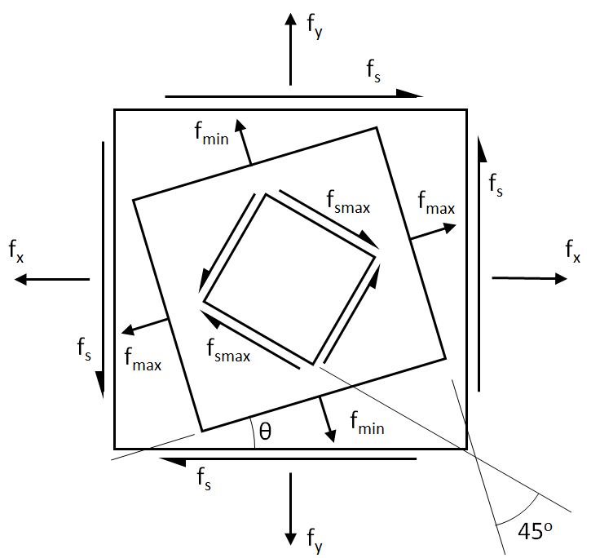
 |  |  |  |  |  | Maximum Principal Stress

 |  |  |  |  |  | Minimum Principal Stress

 |  |  |  |  |  | Angle of Principal Stress Field

 |  |  |  |  |  | Maximum Principal Shear Stress

Individual Component Stresses
fx = | 24000 | psi
fy = | -5000 | psi
fs = | 12000 | psi

Maximum Principal Stress |  |  |  |  | Minimum Principal Stress
= | (fx + fy) / 2 + √[((fx - fy) / 2)² + fs²] |  |  |  | = | (fx + fy) / 2 - √[((fx - fy) / 2)² + fs²]
= | (24000 + (-5000)) / 2 + √[((24000 - (-5000)) / 2)² + 12000²] |  |  |  | = | (24000 + (-5000)) / 2 - √[((24000 - (-5000)) / 2)² + 12000²]

fmax = | 28321.5 | psi |  |  | fmin = | -9321.5 | psi

Maximum Principal Shear Stress |  |  |  |  | Angle of Principal Stress Field
= | √[((fx - fy) / 2)² + fs²] |  |  |  | = | 0.5 × ATAN[(2 × fs) / (fx - fy)]
= | √[((24000 - (-5000)) / 2)² + 12000²] |  |  |  | = | 0.5 × ATAN[(2 × 12000) / (24000 - (-5000))]
fmax = | 18821.5 | psi |  |  | θ = | 0.346 | radians

 |  |  |  | If you see errors on this spreadsheet it is because you do not have the XL-Viking Plugin, to find out more:
 |  |  |  | www.XL-Viking.com

