Analysis
Author: | R. Abbott |  |  | Total Report Pages: | 1 |  |  |  | Page | Title | Sub | Sub | Sub | Fig | Table | Running Counts | Total Sheet Pages: | 1
Check: |  |  |  | Report: | AA-SM-014-005 |  |  |  | No | No | Title | Title | Title | No | No |  | Total Title No: | 0
Date: | 4/17/2018 |  |  | Revision: | IR |  |  |  |  |  |  |  |  |  |  |  | Total Sub No: | 0
Section Number: |  |  |  | Sheet Name | BUCKLING OF CYLINDERS UNDER BENDING AND INTERNAL PRESSURE |  |  |  |  |  |  |  |  |  |  |  | Total Sub No: | 0
Report Title: | STANDARD SPREADSHEET METHOD |  |  |  |  |  |  |  |  |  |  |  |  |  |  |  | Total Sub No: | 0
Section: |  |  |  |  |  |  |  |  |  |  |  |  |  |  |  |  | Total Fig No: | 0
 |  |  |  |  |  |  |  |  |  |  |  |  |  |  |  |  | Total Table No: | 0
 |  |  | Author: | R. Abbott |  | Document Number: | AA-SM-014-005
 |  |  | Check: |  |  | Revision Level : | IR |  | 1
 |  |  | Date: | 4/17/2018 |  | Page: | 1 of 1 | 1
 |  |  | Title: | STANDARD SPREADSHEET METHOD
BUCKLING OF CYLINDERS UNDER BENDING AND INTERNAL PRESSURE
(NASA TM X-73306, 1975) |  |  | Section 3.1.1.2

r = | 8.00 | in | Mean Radius of the Cylinder
t = | 0.01 | in | Thickness of the Cylinder |  |  |  |  |  |  |  |  |  |  |  |  |  | 0.50265482457
p = | 5.0 | psi | Internal Pressure
E = | 72000000 | psi | Young's Modulus |  |  |  |  |  |  |  |  |  |  |  |  |  | 1005.310
μ = | 0.3 | psi | Poisson's Ratio
η = | 1.0 |  | Plasticity Reduction Factor

r / t = | 8 / 0.01
= | 800.00 | r/t < 1500, analysis is valid

 |  |  |  |  |  |  |  |  |  |  |  |  |  |  |  |  | r / t =
 |  |  |  |  |  |  |  |  |  |  |  |  |  |  |  |  | 0.020 |  | 0.030 | 2 | 0.04 | 0.05
φ = | (1 / 16) × √[8 / 0.01] |  |  | γ = | 1 - 0.731 × (1 - EXP[ - 1.77]) |  |  |  |  |  |  |  |  |  |  |  | 0.040 |  | 0.050 |  | 0.06 | 0.065
= | 1.768 |  |  | = | 0.394 |  |  |  |  |  |  |  |  |  |  |  | 0.060 |  | 0.065
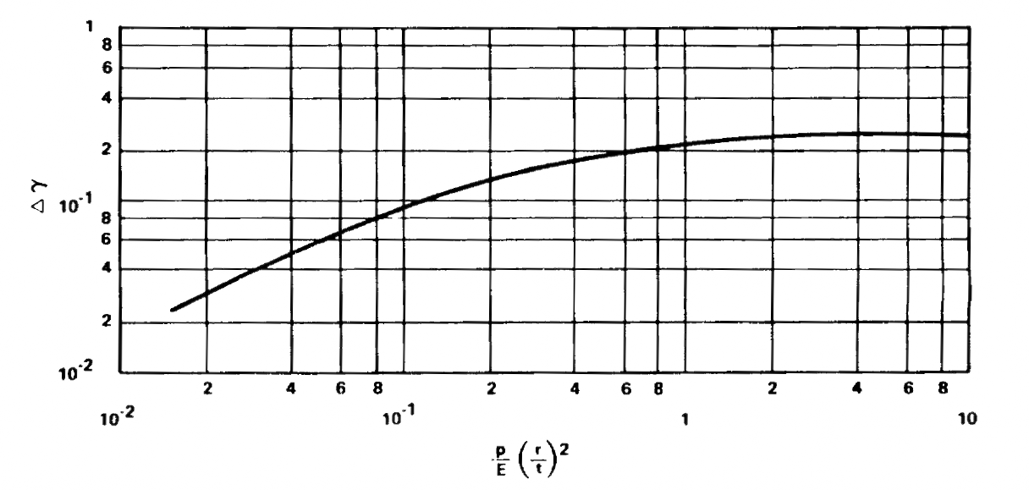
 |  |  |  |  |  |  |  |  |  |  |  |  |  |  |  |  | 0.080 |  | 0.080
= | (5 / (7.2E+07)) × (8 / 0.01)² |  |  |  |  |  |  |  |  |  |  |  |  |  |  |  | 0.100 |  | 0.090
 | 0.044 |  |  |  |  |  |  |  |  |  |  |  |  |  |  |  | 0.200 |  | 0.135
 |  |  |  |  |  |  |  |  |  |  |  |  |  |  |  |  | 0.400 |  | 0.180
 |  |  |  |  |  |  |  |  |  |  |  |  |  |  |  |  | 0.600 |  | 0.200
 |  |  |  |  |  |  |  |  |  |  |  |  |  |  |  |  | 0.800 |  | 0.207
 |  |  |  |  |  |  |  |  |  |  |  |  |  |  |  |  | 1.000 |  | 0.210
 |  |  |  |  |  |  |  |  |  |  |  |  |  |  |  |  | 2.000 |  | 0.215
 |  |  |  |  |  |  |  |  |  |  |  |  |  |  |  |  | 4.000 |  | 0.220
 |  |  |  |  |  |  |  |  |  |  |  |  |  |  |  |  | 6.000 |  | 0.220
 |  |  |  |  |  |  |  |  |  |  |  |  |  |  |  |  | 8.000 |  | 0.220
 |  |  |  |  |  |  |  |  |  |  |  |  |  |  |  |  | 10.000 |  | 0.220

 |  |  |  |  |  |  |  |  |  |  |  |  |  |  |  |  | 0.044 |  | 0.010
 |  |  |  |  |  |  |  |  |  |  |  |  |  |  |  |  | 0.044 |  | 0.053
 |  |  |  |  |  |  |  |  |  |  |  |  |  |  |  |  | 0.010 |  | 0.053

 |  |  |  |  |  |  |  |  |  |  |  |  |  |  |  |  | FALSE

 |  |  |  |  |  |  |  |  |  |  |  |  |  |  |  |  | 800.0 | 1.767766953

Δγ | 0.053 |  |  |  |  |  |  |  |  |  |  |  |  |  |  |  | 10.000 | 0.000
 |  |  |  |  |  |  |  |  |  |  |  |  |  |  |  |  | 800.000 | 0.000
 |  |  |  |  |  |  |  |  |  |  |  |  |  |  |  |  | 800.0 | 0

Mpress = | π × 8 × (7.2E+07) × 0.01² × ((0.394 / (√[3 × (1 - 0.3²)])) + 0.0533) + (5 × π × 8³) / 2
 | 56800 | inlb

To display formula values or variables using the xln & xlv functions, you need the XL-Viking add-in.
The free version is available here: www.XL-Viking.com

