Flat Plates
Author: | R. Abbott |  | Total Report Pages: | 1 |  |  |  | Page | Title | Sub | Sub | Sub | Fig | Table | Running Counts | Total Sheet Pages: | 1
Check: |  |  | Report: | AA-SM-007-091 |  |  |  | No | No | Title | Title | Title | No | No |  | Total Title No: | 0
Date: | 20/10/2013 |  | Revision: | A |  |  |  |  |  |  |  |  |  |  |  | Total Sub No: | 0
Section Number: |  |  | Sheet Name | MATHEMATICAL DERIVATION OF SHEAR BUCKLING COEFFICIENTS |  |  |  |  |  |  |  |  |  |  |  | Total Sub No: | 0
Report Title: | STANDARD SPREADSHEET METHOD |  |  |  |  |  |  |  |  |  |  |  |  |  |  | Total Sub No: | 0
Section: |  |  |  |  |  |  |  |  |  |  |  |  |  |  |  | Total Fig No: | 0
 |  |  |  |  |  |  |  |  |  |  |  |  |  |  |  | Total Table No: | 0
 |  | Author: | R. Abbott |  | Document Number: | AA-SM-007-091
 |  | Check: |  |  | Revision Level : | A |  | 1
 |  | Date: | 20/10/2013 |  | Page: | 1 of 1 | 1
 |  | Title: | STANDARD SPREADSHEET METHOD
MATHEMATICAL DERIVATION OF SHEAR BUCKLING COEFFICIENTS
(Abbott, Richard. Analysis and Design of Composite and Metallic Flight Vehicle Structures 1st Edition, 2016)
Reasonable approximations for Panel shear buckling coefficients are given by the following curves:
Where r = a/b (panel aspect ratio) |  |  |  |  |  |  |  |  |  |  |  |  |  |  |  |  | 1.00 | 14.6 | 12.6 | 12.6 | 9.3
 |  |  |  |  |  |  |  |  |  |  |  |  |  |  |  |  | 1.05 | 14.1 | 12.3 | 11.7 | 9.0
For a Panel simply supported on four edges: |  |  |  |  |  |  |  |  |  |  |  |  |  |  |  |  | 1.10 | 13.6 | 12.1 | 10.9 | 8.6
 |  |  |  |  |  |  |  |  |  |  |  |  |  |  |  |  | 1.15 | 13.2 | 11.9 | 10.3 | 8.4
 |  |  |  |  |  |  |  |  |  |  |  |  |  |  |  |  | 1.20 | 12.9 | 11.7 | 9.7 | 8.1
 |  |  |  |  |  |  |  |  |  |  |  |  |  |  |  |  | 1.25 | 12.6 | 11.6 | 9.3 | 7.9
For a Panel clamped on four edges: |  |  |  |  |  |  |  |  |  |  |  |  |  |  |  |  | 1.30 | 12.3 | 11.4 | 8.9 | 7.7
 |  |  |  |  |  |  |  |  |  |  |  |  |  |  |  |  | 1.35 | 12.1 | 11.2 | 8.6 | 7.5
 |  |  |  |  |  |  |  |  |  |  |  |  |  |  |  |  | 1.40 | 11.8 | 11.1 | 8.3 | 7.4
 |  |  |  |  |  |  |  |  |  |  |  |  |  |  |  |  | 1.45 | 11.6 | 11.0 | 8.0 | 7.2
For a Panel clamped on the long edges and simply supported on short edges: |  |  |  |  |  |  |  |  |  |  |  |  |  |  |  |  | 1.50 | 11.5 | 10.9 | 7.8 | 7.1
 |  |  |  |  |  |  |  |  |  |  |  |  |  |  |  |  | 1.55 | 11.3 | 10.8 | 7.7 | 7.0
 |  |  |  |  |  |  |  |  |  |  |  |  |  |  |  |  | 1.60 | 11.2 | 10.7 | 7.5 | 6.9
SS
 |  |  |  |  |  |  |  |  |  |  |  |  |  |  |  |  | 1.65 | 11.0 | 10.6 | 7.3 | 6.8
For a Panel clamped on the short edges and simply supported on long edges: |  |  |  |  |  |  |  |  |  |  |  |  |  |  |  |  | 1.70 | 10.9 | 10.5 | 7.2 | 6.7
 |  |  |  |  |  |  |  |  |  |  |  |  |  |  |  |  | 1.75 | 10.8 | 10.4 | 7.1 | 6.6
 |  |  |  |  |  |  |  |  |  |  |  |  |  |  |  |  | 1.80 | 10.7 | 10.4 | 7.0 | 6.6
 |  |  |  |  |  |  |  |  |  |  |  |  |  |  |  |  | 1.85 | 10.6 | 10.3 | 6.9 | 6.5
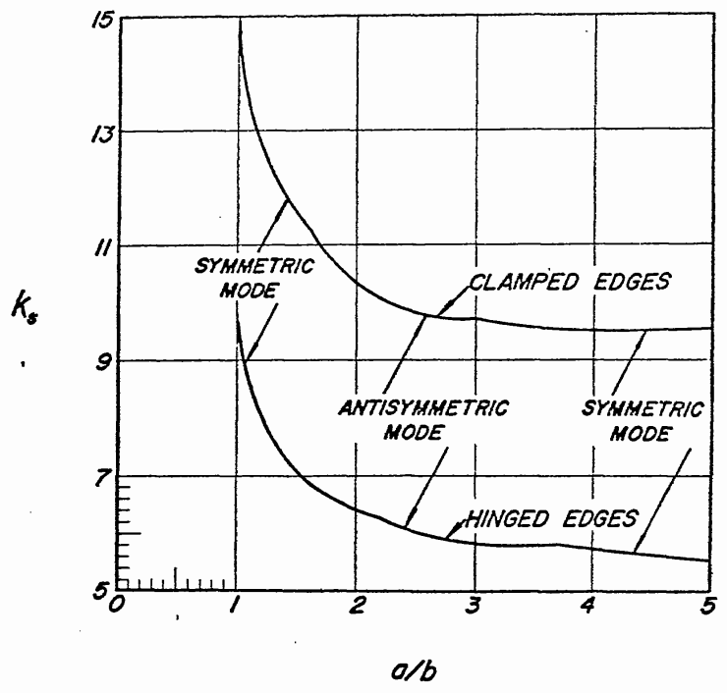
Simply Supported 4 Edges
Clamped 4 Edges
Long Edges Clamped,
Short Edges Simply Supported
Sort Edges Clamped,
Long Edges Simply Supported
 |  |  |  |  |  |  |  |  |  |  |  |  |  |  |  |  | 1.90 | 10.5 | 10.2 | 6.8 | 6.4
 |  |  |  |  |  |  |  |  |  |  |  |  |  |  |  |  | 1.95 | 10.5 | 10.2 | 6.8 | 6.4
 |  |  |  |  |  |  |  |  |  |  |  |  |  |  |  |  | 2.00 | 10.4 | 10.1 | 6.7 | 6.3
 |  |  |  |  |  |  |  |  |  |  |  |  |  |  |  |  | 2.20 | 10.1 | 10.0 | 6.5 | 6.2
 |  |  |  |  |  |  |  |  |  |  |  |  |  |  |  |  | 2.40 | 10.0 | 9.8 | 6.3 | 6.0
 |  |  |  |  |  |  |  |  |  |  |  |  |  |  |  |  | 2.60 | 9.8 | 9.7 | 6.2 | 5.9
 |  |  |  |  |  |  |  |  |  |  |  |  |  |  |  |  | 2.80 | 9.7 | 9.6 | 6.1 | 5.9
 |  |  |  |  |  |  |  |  |  |  |  |  |  |  |  |  | 3.00 | 9.6 | 9.5 | 6.0 | 5.8
 |  |  |  |  |  |  |  |  |  |  |  |  |  |  |  |  | 3.20 | 9.5 | 9.5 | 6.0 | 5.7
 |  |  |  |  |  |  |  |  |  |  |  |  |  |  |  |  | 3.40 | 9.5 | 9.4 | 5.9 | 5.7
 |  |  |  |  |  |  |  |  |  |  |  |  |  |  |  |  | 3.60 | 9.4 | 9.4 | 5.9 | 5.6
 |  |  |  |  |  |  |  |  |  |  |  |  |  |  |  |  | 3.80 | 9.4 | 9.3 | 5.9 | 5.6
 |  |  |  |  |  |  |  |  |  |  |  |  |  |  |  |  | 4.00 | 9.3 | 9.3 | 5.8 | 5.6
 |  |  |  |  |  |  |  |  |  |  |  |  |  |  |  |  | 4.20 | 9.3 | 9.3 | 5.8 | 5.6
 |  |  |  |  |  |  |  |  |  |  |  |  |  |  |  |  | 4.40 | 9.3 | 9.2 | 5.8 | 5.5
 |  |  |  |  |  |  |  |  |  |  |  |  |  |  |  |  | 4.60 | 9.2 | 9.2 | 5.8 | 5.5
 |  |  |  |  |  |  |  |  |  |  |  |  |  |  |  |  | 4.80 | 9.2 | 9.2 | 5.7 | 5.5
 |  |  |  |  |  |  |  |  |  |  |  |  |  |  |  |  | 5.00 | 9.2 | 9.2 | 5.7 | 5.5
 |  |  |  |  |  |  |  |  |  |  |  |  |  |  |  |  | 5.20 | 9.2 | 9.2 | 5.7 | 5.5
 |  |  |  |  |  |  |  |  |  |  |  |  |  |  |  |  | 5.40 | 9.2 | 9.2 | 5.7 | 5.5
 |  |  |  |  |  |  |  |  |  |  |  |  |  |  |  |  | 5.60 | 9.2 | 9.1 | 5.7 | 5.5
 |  |  |  |  |  |  |  |  |  |  |  |  |  |  |  |  | 5.80 | 9.1 | 9.1 | 5.7 | 5.5

 |  |  | If you see errors on this spreadsheet it is because you do not have the XL-Viking Plugin, to find out more:
 |  |  | www.xl-viking.com

 |  |  |  |  |  |  |  |  |  |  |  |  |  |  |  |  |  |  |  |  |  | 1.74

