Analysis
Author: | R. Abbott |  |  | Total Report Pages: | 2 |  |  |  | Page | Title | Sub | Sub | Sub | Fig | Table | Running Counts |  | Total Sheet Pages: | 2
Check: |  |  |  | Report: | AA-SM-007-070 |  |  |  | No | No | Title | Title | Title | No | No |  |  | Total Title No: | 0
Date: | 07/24/2016 |  |  | Revision: | IR |  |  |  |  |  |  |  |  |  |  |  |  | Total Sub No: | 0
Section Number: |  |  |  | Sheet Name | BUCKLING EDGE ROTATIONAL RESTRAINT |  |  |  |  |  |  |  |  |  |  |  |  | Total Sub No: | 0
Report Title: | STANDARD SPREADSHEET METHOD |  |  |  |  |  |  |  |  |  |  |  |  |  |  |  |  | Total Sub No: | 0
Section: |  |  |  |  |  |  |  |  |  |  |  |  |  |  |  |  |  | Total Fig No: | 0
 |  |  |  |  |  |  |  |  |  |  |  |  |  |  |  |  |  | Total Table No: | 0
 |  |  | Author: | R. Abbott |  | Document Number: | AA-SM-007-070
 |  |  | Check: |  |  | Revision Level : | IR |  | 1
 |  |  | Date: | 07/24/2016 |  | Page: | 1 of 2 | 1
 |  |  | Title: | STANDARD SPREADSHEET METHOD
BUCKLING EDGE ROTATIONAL RESTRAINT
(NACA-REPORT-735, 1942)
(NACA-TN-888, 1943)
$$ε=\frac{4∙S_{0}∙b}{D}$$
The panel edge rotational restraint coefficient is given by the following expression:

$$D=\frac{E_{p}∙t^{3}}{12∙\left(1−μ^{2}\right)}$$
$$4∙S_{0}=\frac{π^{2}}{λ^{2}}∙\left(G∙J−f{∙I}_{p}+\frac{π^{2}}{λ^{2}}∙E_{s}∙C_{BT}\right)$$
Where: |  |  | and:

Substiuting these expression into the first expression gives the following:
$$ε=\frac{π^{2}∙b}{λ^{2}∙D}∙\left(G∙J−f{∙I}_{p}+\frac{π^{2}}{λ^{2}}∙E_{s}∙C_{BT}\right)$$

Where:
ε = | Panel edge rotational restraint coefficient
 |  |  |  |  |  |  |  |  |  |  |  |  |  |  |  |  |  |  |  |  |  |  |  |  |  |  |  |  |  |  |  |  |  | 0.000 | 0 | 0.220 | 0.06 | 0.000 | 1
Plate Information: |  |  |  |  |  |  |  |  |  |  |  |  |  |  |  |  |  | A | yA | y2A | Iy | zA | z2A | Iz |  |  | A | yA | y2A | Iy | zA | z2A | Iz | 0.000 | 0.06 | 0.220 | 1 | 0.000 | 1.06
b = | 10 | in, Width of plate being restrained |  |  |  |  |  |  |  |  |  |  |  |  |  |  | 1 | 0.03 | 0.0075 | 0 | 0 | 0.0009 | 0.000027 | 0.0 |  | 1 | 0.03 | 0.0000 | 0 | 0 | -0.015 | 0.0075 | 0.0 | 0.500 | 0.06 | 0.280 | 1 | 0.500 | 1.06
D = | (1E+07) × 0.04³ / (12 × (1 - 0.33²)) |  |  |  |  |  |  |  |  |  |  |  |  |  |  |  | 2 | 0.0564 | 0.0141 | 0 | 0 | 0.029892 | 0.01584276 | 0.0 |  | 2 | 0.0564 | 0.0000 | 0 | 0 | 0 | 0 | 0.0 | 0.500 | 0 | 0.280 | 0.06 | 0.500 | 1
= | 59.85 | Flexural rigidity per unit length of plate |  |  |  |  |  |  |  |  |  |  |  |  |  |  | 3 | 0.03 | 0.0075 | 0 | 0 | 0.0309 | 0.031827 | 0.0 |  | 3 | 0.03 | 0.0000 | 0 | 0 | 0.015 | 0.0075 | 0.0 | 0.000 | 0.000 | 0.220 | 0.060 | 0.000 | 1.000
Ep = | 10000000 | psi, Youngs modulus of plate material |  |  |  |  |  |  |  |  |  |  |  |  |  |  | 4
t = | 0.04 | in, Thickness of plate |  |  |  |  |  |  |  |  |  |  |  |  |  |  | 5
μ = | 0.33 | Poissons Ratio |  |  |  |  |  |  |  |  |  |  |  |  |  |  | 6
λ = | 8.00 | in, Half wave length of the buckle pattern (assumed 0.8 x b) |  |  |  |  |  |  |  |  |  |  |  |  |  |  | 7
 |  |  |  |  |  |  |  |  |  |  |  |  |  |  |  |  | 8
Stiffener Information: |  |  |  |  |  |  |  |  |  |  |  |  |  |  |  |  | 9
Stiffener Type = | I-Beam |  |  |  |  |  |  |  |  |  |  |  |  |  |  |  |  | Sum: A | Sum: yA | Sum: y2A | Sum:Iy | Sum: zA | Sum: z2A | Sum:Iz |  |  | Sum: A | Sum: yA | Sum: y2A | Sum:Iy | Sum: zA | Sum: z2A | Sum:Iz
S₀ = | Stiffness per unit length of elastic restraining medium at side edge of plate, or momnet require to rotate a unit length through one fourth radian |  |  |  |  |  |  |  |  |  |  |  |  |  |  |  |  | 0.116 | 0.029 | 0.007 | 0.001 | 0.062 | 0.048 | 0.004 |  |  | 0.12 | 0.00 | 0.00 | 0.00 | 0.00 | 0.02 | 0.00
 |  |  |  |  |  |  |  |  |  |  |  |  |  |  |  |  |  |  |  |  |  |  | Total Section Properties about origin:
f = | 7500 | psi, uniformally distributed compressive stress in the stiffener
Es = | 10000000 | psi, Youngs modulus of stiffener material |  |  |  |  |  |  |  |  |  |  |  |  |  |  |  |  |  |  |  |  | y | Total Iy | z | Total Iz
Gs = | 3000000 | psi, Bulk Modulus of Stiffener Material |  |  |  |  |  |  |  |  |  |  |  |  |  |  | 0.25 |  |  |  |  |  | (mm) | (mm4) | (mm) | (mm4)
Ip = | 0.020 | in⁴, Polar moment of intertia of stiffener sectional area about axis of rotation |  |  |  |  |  |  |  |  |  |  |  |  |  |  | 0.25 |  |  |  |  |  | 0.2500 | 0.0085 | 0.53 | 0.0519 |  |  |  |  |  |  |  | -0.5 | 0.2500 | -0.500 | 0.530
tF = | 0.060 | in, Flange Thickness |  |  |  |  |  |  |  |  |  |  |  |  |  |  |  |  |  |  |  |  |  |  |  |  |  |  |  |  |  |  |  | 1.56 | 0.2500 | 1.000 | 0.530
b = | 0.500 | in, Width of Flange |  |  |  |  |  |  |  |  |  |  |  |  |  |  |  |  |  |  |  |  | Y = | 0.2500 | in
AF = | 0.5 × 0.06
= | 0.030 | in², Area of one flange
IF = | 0.5³ × 0.06 / 12 |  |  |  |  |  |  |  |  |  |  |  |  |  |  |  |  | General Properties |  |  | Radius of Gyration |  |  | Area Moment of Intertia |  |  | Distance to shear center
= | 0.00063 | in⁴, Moment of Inertia of one flange |  |  |  |  |  |  |  |  |  |  |  |  |  |  |  |  |  |  |  |  |  |  |  |  | = | 3 × tF × b² / (h × tW + 6 × b × tF)
h = | 1.00 | in, Height of Web |  |  |  |  |  |  |  |  |  |  |  |  |  |  |  | A = | 0.116 | in² | ρx = | √[0.0192 / 0.116] |  | Ix = | 0.019 | in⁴ | = | 3 × 0.06 × 0.5² / (1 × 0.06 + 6 × 0.5 × 0.06)
tW = | 0.06 | in, Web Thickness |  |  |  |  |  |  |  |  |  |  |  |  |  |  |  | ẋleft = | 0.250 | in | = | 0.4 | in | Iy = | 0.001 | in⁴ | e = | 0.19 | in
AW = | 0.06 × 1 |  |  |  |  |  |  |  |  |  |  |  |  |  |  |  |  | ẋright = | 0.250 | in | ρy = | √[0.00127 / 0.116] |  | Ixy = | 0.02 | in⁴
= | 0.060 | in², Area of Web |  |  |  |  |  |  |  |  |  |  |  |  |  |  |  | ẏupper = | 0.530 | in | = | 0.1 | in
A = | 0.06 + 2 × 0.03 |  |  |  |  |  |  |  |  |  |  |  |  |  |  |  |  | ẏlower = | 0.530 | in
= | 0.120 | in², Area of Cross Section |  |  |  |  |  |  |  |  |  |  |  |  |  |  |  | Total Height (y) = | 1.060 | in
J = | (1 × 0.06² + 2 × 0.5 × 0.06³) / 3 |  |  |  |  |  |  |  |  |  |  |  |  |  |  |  |  | Total Width (x) = | 0.500 | in
 | 0.00127 | in⁴, Section Torsion Constant
e = | 0.000 | in

 |  |  |  | If you see errors on this spreadsheet it is because you do not have the XL-Viking Plugin, to find out more:
 |  |  |  | www.xl-viking.com
 |  |  | Author: | R. Abbott |  | Document Number: | AA-SM-007-070
 |  |  | Check: |  |  | Revision Level : | IR |  | 1
 |  |  | Date: | 07/24/2016 |  | Page: | 2 of 2 | 2
 |  |  | Title: | STANDARD SPREADSHEET METHOD
BUCKLING EDGE ROTATIONAL RESTRAINT
(NACA-REPORT-735, 1942)

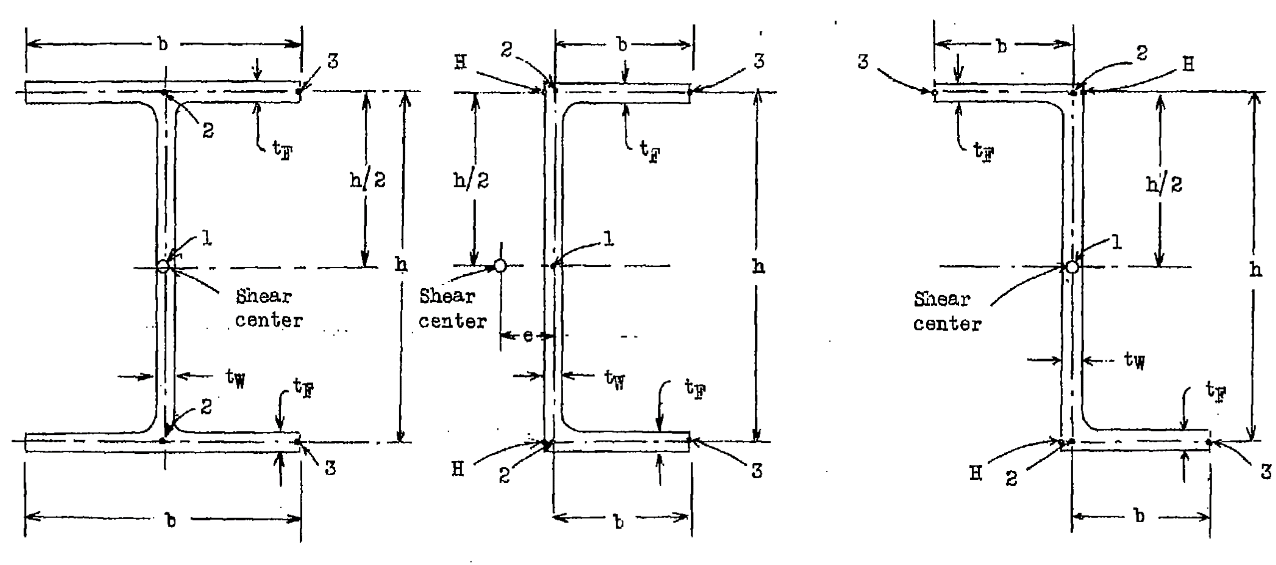
 |  |  |  |  |  |  |  |  |  |  |  |  |  |  |  |  | Element | x | y | x | y
 |  |  |  |  |  |  |  |  |  |  |  |  |  |  |  |  |  | (in) | (in) | (in) | (in)
 |  |  |  |  |  |  |  |  |  |  |  |  |  |  |  |  | 1 | 0.500 | 0.060 | 0.250 | 0.030
 |  |  |  |  |  |  |  |  |  |  |  |  |  |  |  |  | 2 | 0.060 | 0.940 | 0.250 | 0.530
 |  |  |  |  |  |  |  |  |  |  |  |  |  |  |  |  | 3 | 0.500 | 0.060 | 0.250 | 1.030

CBT | Torsion-Bending constant of stiffener sectional area about axis of rotation at or near edge of plate, this is given by the following expressions for difference cross sections

 |  | CBT
$$\frac{I_{F}∙h^{2}}{2}$$
I-Beam
 |  |  |  |  |  |  |  |  |  |  |  |  |  |  |  |  | 0.0003125
$$\frac{I_{F}∙h^{2}}{2}\left(4−6∙\frac{e}{b}\right)$$
Channel |  |  |  |  |  |  |  |  |  |  |  |  |  |  |  |  | 0.00125

$$\frac{I_{F}∙h^{2}}{2}\left(4−6∙\frac{A_{F}}{A}\right)$$
Z-Section |  |  |  |  |  |  |  |  |  |  |  |  |  |  |  |  | 0.00078125

CBT = | 0.000313
$$ε=\frac{π^{2}∙b}{λ^{2}∙D}∙\left(G∙J−f{∙I}_{p}+\frac{π^{2}}{λ^{2}}∙E_{s}∙C_{BT}\right)$$

ε = | (π² × 10) / (8² × 59.9) × (3000000 × 0.00127 - 7500 × 0.0204 + (π² / 8²) × (1E+07) × (3.12E-04))
 | 106.79

 |  |  |  | If you see errors on this spreadsheet it is because you do not have the XL-Viking Plugin, to find out more:
 |  |  |  | www.xl-viking.com

