Analysis
 | Author: | R. Abbott |  |  | Total Report Pages: | 1 |  |  |  |  |  | Page | Title | Sub | Sub | Sub | Fig | Table | Running Counts |  |  | Total Sheet Pages: | 1
 | Check: |  |  |  | Report: | AA-SM-007-010 |  |  |  |  |  | No | No | Title | Title | Title | No | No |  |  |  | Total Title No: | 0
 | Date: | 20/10/2013 |  |  | Revision: | IR |  |  |  |  |  |  |  |  |  |  |  |  |  |  |  | Total Sub No: | 0
 | Section Number: |  |  |  | Sheet Name | ASSESSMENT OF PANEL BREAKER EFFECTIVITY |  |  |  |  |  |  |  |  |  |  |  |  |  |  |  | Total Sub No: | 0
 | Report Title: | STANDARD SPREADSHEET METHOD |  |  |  |  |  |  |  |  |  |  |  |  |  |  |  |  |  |  |  | Total Sub No: | 0
 | Section: |  |  |  |  |  |  |  |  |  |  |  |  |  |  |  |  |  |  |  |  | Total Fig No: | 0
 |  |  |  |  |  |  |  |  |  |  |  |  |  |  |  |  |  |  |  |  |  | Total Table No: | 0
 |  |  |  | Author: | R. Abbott |  |  | Document Number: | AA-SM-007-010
 |  |  |  | Check: |  |  |  | Revision Level : | IR |  |  | 1
 |  |  |  | Date: | 20/10/2013 |  |  | Page: | 1 of 1 |  | 1
 |  |  |  | Title: | STANDARD SPREADSHEET METHOD
 | ASSESSMENT OF PANEL BREAKER EFFECTIVITY
 | (NACA-TN-862, 1942)
 | Ths check is suitable for intial sizing only

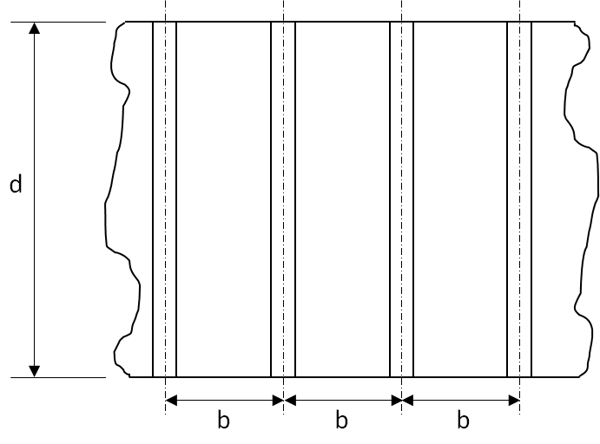

 |  |  |  |  |  | b = | 7.000 | in
 |  |  |  |  |  | d = | 9.000 | in
 |  |  |  |  |  | t = | 0.096 | in
 |  |  |  |  |  | μ = | 0.300 | in

 |  |  |  |  |  | Recommended 2nd Moment of Area =

 |  |  |  |  |  | I = | 1.17 × d³ × t³ / (b² × (1 - μ²))
 |  |  |  |  |  | = | 1.17 × 9³ × 0.096³ / (7² × (1 - 0.3²))
 |  |  |  |  |  | I = | 0.01687 | in⁴

1.000 | 0.070 | 0.070 | 1.070 |  | 0.000 |  | 0.000 |  | 0.000 |  | 0.000 |  | 0.000 |  | 0.000 |  | 0.000 | 0.2675 | -0.500 | -0.500 | 0.303
0.000 | 0.070 | 0.000 | 1.070 |  | 0.000 |  | 0.000 |  | 0.000 |  | 0.000 |  | 0.000 |  | 0.000 |  | 0.000 | 0.2675 | 1.570 | 1.500 | 0.303
0.000 | 0.000 | 0.000 | 0.070 |  | 0.000 |  | 0.000 |  | 0.000 |  | 0.000 |  | 0.000 |  | 0.000 |  | 0.000
1.000 | 0.000 | 0.070 | 0.070 |  | 0.000 |  | 0.000 |  | 0.000 |  | 0.000 |  | 0.000 |  | 0.000 |  | 0.000
1.000 | 0.070 | 0.070 | 1.070 |  | 0.000 |  | 0.000 |  | 0.000 |  | 0.000 |  | 0.000 |  | 0.000 |  | 0.000
y
Element | x | y | x | y | Angle to X-Axis |  |  |  |  |  |  |  |  |  |  |  |  |  |  |  | A | yA | y2A | Iy | zA | z2A | Iz |  |  | A | yA | y2A | Iy | zA | z2A | Iz | 1.000 | 0.070 | 0.070 | 1.070 | ChangeChartAxisScale(Chart name, Xmin, Xmax, Y1min, Y1max, Y2min, Y2max)
 | (in) | (in) | (in) | (in) |  |  |  |  |  |  |  |  |  |  |  |  |  |  |  | 1 | 0.07 | 0.035 | 0 | 0.0058 | 0.00245 | 0.00008575 | 0.0000 |  | 1 | 0.07 | 0.0163 | 0 | 0.006 | -0.018725 | 0.0050089375 | 0.000 | 0.000 | 0.070 | 0.000 | 1.070 | Values in italics are optional
1 | 1.000 | 0.070 | 0.500 | 0.035 | 0 |  |  |  |  |  |  |  |  |  |  |  |  |  |  | 2 | 0.07 | 0.00245 | 0 | 0.0000 | 0.0399 | 0.022743 | 0.0058 |  | 2 | 0.07 | -0.0163 | 0 | 0.000 | 0.018725 | 0.0050089375 | 0.006 | 0.000 | -6.9388939039E-18 | 0.000 | 0.07
2 | 0.070 | 1.000 | 0.035 | 0.570 | 0 |  |  |  |  |  |  |  |  |  |  |  |  |  |  | 3 | 0 | 0 | 0 | 0.0000 | 0 | 0 | 0.0000 |  | 3 | 0 | 0.0000 | 0 | 0.000 | 0 | 0 | 0.000 | 1.000 | -8.3266726847E-17 | 0.070 | 0.07 | Example
3 |  |  |  |  |  |  |  |  |  |  |  |  |  |  |  |  |  |  |  | 4 | 0 | 0 | 0 | 0.0000 | 0 | 0 | 0.0000 |  | 4 | 0 | 0.0000 | 0 | 0.000 | 0 | 0 | 0.000 | 1.000 | 0.070 | 0.070 | 1.070 |  | #NAME?
4 |  |  |  |  |  |  |  |  |  |  |  |  |  |  |  |  |  |  |  | 5 | 0 | 0 | 0 | 0.0000 | 0 | 0 | 0.0000 |  | 5 | 0 | 0.0000 | 0 | 0.000 | 0 | 0 | 0.000 |  |  |  |  |  | Chart 5
5 |  |  |  |  |  |  |  |  |  |  |  |  |  |  |  |  |  |  |  | 6 | 0 | 0 | 0 | 0.0000 | 0 | 0 | 0.0000 |  | 6 | 0 | 0.0000 | 0 | 0.000 | 0 | 0 | 0.000 |  |  |  |  | Axis 1
6 |  |  |  |  |  |  |  |  |  |  |  |  |  |  |  |  |  |  |  | 7 | 0 | 0 | 0 | 0.0000 | 0 | 0 | 0.0000 |  | 7 | 0 | 0.0000 | 0 | 0.000 | 0 | 0 | 0.000 |  |  |  |  |  | X | Y
7 |  |  |  |  |  |  |  |  |  |  |  |  |  |  |  |  |  |  |  | 8 | 0 | 0 | 0 | 0.0000 | 0 | 0 | 0.0000 |  | 8 | 0 | 0.0000 | 0 | 0.000 | 0 | 0 | 0.000 |  |  |  |  | Maximum | 1.170 | 1.17
8 |  |  |  |  |  |  |  |  |  |  |  |  |  |  |  |  |  |  |  | 9 | 0 | 0 | 0 | 0.0000 | 0 | 0 | 0.0000 |  | 9 | 0 | 0.0000 | 0 | 0.000 | 0 | 0 | 0.000 |  |  |  |  | Minimum | -0.100 | -0.1
9 |  |  |  |  |  |  |  |  |  |  |  |  |  |  |  |  |  |  |  |  | Sum: A | Sum: yA | Sum: y2A | Sum:Iy | Sum: zA | Sum: z2A | Sum:Iz |  |  | Sum: A | Sum: yA | Sum: y2A | Sum:Iy | Sum: zA | Sum: z2A | Sum:Iz
x
 |  | Total Height (y) = | 1.070 | in |  |  |  |  |  |  |  |  |  |  |  |  |  |  |  |  | 0.140 | 0.037 | 0.018 | 0.006 | 0.042 | 0.023 | 0.006 |  |  | 0.14 | 0.00 | 0.01 | 0.01 | 0.00 | 0.01 | 0.01
 |  | Total Width (x) = | 1.000 | in |  |  |  |  |  |  |  |  |  |  |  |  |  |  |  |  |  |  |  |  |  |  | Total Section Properties about origin:

 | Section Properties About Centroidal Axis Parallel to Original Axis |  |  |  |  |  |  |  |  |  |  |  |  |  |  |  |  |  |  |  |  |  |  |  |  |  | y | Total Iy | z | Total Iz
 | General Properties |  |  | Area Moment of Intertia |  |  |  | Radius of Gyration |  |  |  |  |  |  |  |  |  |  |  |  |  |  | Y = | 0.2675 | in |  | (mm) | (mm4) | (mm) | (mm4) |  | -0.500 | 0.2675 |  | -0.500 | 0.303
 | A = | 0.140 | in² | Ix = | 0.0159 | in⁴ |  | ρx = | √[0.0159 / 0.14] |  |  |  |  |  |  |  |  |  |  |  |  |  |  |  |  |  | 0.2675 | 0.0234 | 0.3025 | 0.0287 |  | 1.570 | 0.2675 |  | 1.500 | 0.303
 | ẋleft = | 0.268 | in | Iy = | 0.0134 | in⁴ |  | = | 0.3 | in
 | ẋright = | 0.732 | in | J = | 0.0293 | in⁴ |  | ρy = | √[0.0134 / 0.14]
 | ẏupper = | 0.7675 | in |  |  |  |  | = | 0.3 | in
 | ẏlower = | 0.3025 | in

 |  |  |  |  |  |  |  |  | M.S. = 0.0159 / 0.0169 - 1 = | -0.06

 |  |  |  |  | If you see errors on this spreadsheet it is because you do not have the XL-Viking Plugin, to find out more:
 |  |  |  |  | www.xl-viking.com

