Analysis
Author: | R. Abbott |  |  | Total Report Pages: | 1 |  |  |  |  | Page | Title | Sub | Sub | Sub | Fig | Table | Running Counts | Total Sheet Pages: | 1
Check: |  |  |  | Report: | AA-SM-260 |  |  |  |  | No | No | Title | Title | Title | No | No |  | Total Title No: | 0
Date: | 20/10/2013 |  |  | Revision: | IR |  |  |  |  |  |  |  |  |  |  |  |  | Total Sub No: | 0
Section Number: |  |  |  | Sheet Name | SPRING STIFFNESS OF CANTILEVER BEAMS |  |  |  |  |  |  |  |  |  |  |  |  | Total Sub No: | 0
Report Title: | STANDARD SPREADSHEET METHOD |  |  |  |  |  |  |  |  |  |  |  |  |  |  |  |  | Total Sub No: | 0
Section: |  |  |  |  |  |  |  |  |  |  |  |  |  |  |  |  |  | Total Fig No: | 0
 |  |  |  |  |  |  |  |  |  |  |  |  |  |  |  |  |  | Total Table No: | 0
 |  |  | Author: | R. Abbott |  |  | Document Number: | AA-SM-260
 |  |  | Check: |  |  |  | Revision Level : | IR |  | 1
 |  |  | Date: | 20/10/2013 |  |  | Page: | 1 of 1 | 1
 |  |  | Title: | STANDARD SPREADSHEET METHOD
SPRING STIFFNESS OF CANTILEVER BEAMS

Simple Cantilever
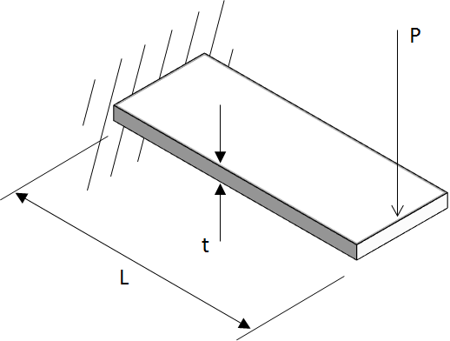

 |  |  |  |  | Deflection per unit width, δ = | 4 × P × L³ / (E × t³)
 |  |  |  |  | = | 4 × 50 × 0.58³ / ((1E+07) × 0.063³)
 |  |  |  |  | = | 0.015606026 |  | in/in

P = | 50 | lb |  |  | Stiffness per unit width = | 0.0156 / 50
t = | 0.063 | in |  |  | = | 0.000312121 |  | in/lb/in
E = | 10000000 | psi
L = | 0.58 | in |  |  | Spring rate per unit width, k = | 1 / (3.12E-04)
 |  |  |  |  | = | 3204 | lb/in/in

Guided cantilever
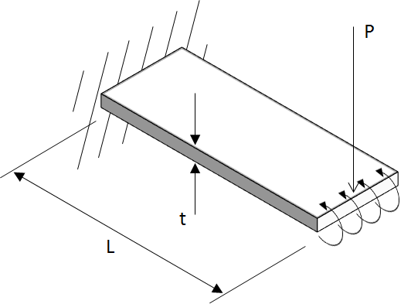

 |  |  |  |  | Deflection per unit width, δ = | P × L³ / (E × t³)
 |  |  |  |  | = | 50 × 0.58³ / ((1E+07) × 0.063³)
 |  |  |  |  | = | 0.003901507 |  | in/in

P = | 50 | lb |  |  | Stiffness per unit width = | 0.0039 / 50
t = | 0.063 | in |  |  | = | 0.000078030 |  | in/lb/in
E = | 10000000 | psi
L = | 0.58 | in |  |  | Spring rate per unit width, k = | 1 / (7.8E-05)
 |  |  |  |  | = | 12816 | lb/in/in

 |  |  |  | If you see errors on this spreadsheet it is because you do not have the XL-Viking Plugin, to find out more:
 |  |  |  | www.xl-viking.com

