Analysis
Author: | R. Abbott |  |  | Total Report Pages: | 1 |  |  |  |  | Page | Title | Sub | Sub | Sub | Fig | Table | Running Counts |  | Total Sheet Pages: | 1
Check: |  |  |  | Report: | AA-SM-014-006 |  |  |  |  | No | No | Title | Title | Title | No | No |  |  | Total Title No: | 0
Date: | 4/17/2018 |  |  | Revision: | IR |  |  |  |  |  |  |  |  |  |  |  |  |  | Total Sub No: | 0
Section Number: |  |  |  | Sheet Name | BUCKLING OF CYLINDERS UNDER TORSION |  |  |  |  |  |  |  |  |  |  |  |  |  | Total Sub No: | 0
Report Title: | STANDARD SPREADSHEET METHOD |  |  |  |  |  |  |  |  |  |  |  |  |  |  |  |  |  | Total Sub No: | 0
Section: |  |  |  |  |  |  |  |  |  |  |  |  |  |  |  |  |  |  | Total Fig No: | 0
 |  |  |  |  |  |  |  |  |  |  |  |  |  |  |  |  |  |  | Total Table No: | 0
 |  |  | Author: | R. Abbott |  |  | Document Number: | AA-SM-014-006
 |  |  | Check: |  |  |  | Revision Level : | IR |  | 1
 |  |  | Date: | 4/17/2018 |  |  | Page: | 1 of 1 | 1
 |  |  | Title: | STANDARD SPREADSHEET METHOD
BUCKLING OF CYLINDERS UNDER TORSION
(NACA-TN-1344, 1947)

r = | 15.00 | in | Mean Radius of the Cylinder
t = | 0.04 | in | Thickness of the Cylinder |  |  |  |  |  |  |  |  |  |  |  |  |  |  |  | 3.7699111843
L = | 40.0 | in | Length of Cylinder
E = | 72000000 | psi | Young's Modulus |  |  |  |  |  |  |  |  |  |  |  |  |  |  |  | 28274.334
μ = | 0.3 | psi | Poisson's Ratio
η = | 1.0 |  | Plasticity Reduction Factor
 |  |  |  |  |  |  |  |  |  |  |  |  |  |  |  |  |  | 140625

D = | ((7.2E+07) × 0.04³) / (12 × (1 - 0.3²)) |  |  |  | Z = | 40² / (15 × 0.04) × √[1 - 0.3²] |  |  |  |  |  |  |  |  |  |  |  |  | r / t =
= | 421.98 |  |  |  | = | 2544 |  |  |  |  |  |  |  |  |  |  |  |  | 1.0 |  | 5.340 | 5.34 | 1.0 |  | 8.98 | 8.98 | 0.85 | 0.93
 |  |  |  |  |  |  |  |  |  |  |  |  |  |  |  |  |  |  | 4.0 |  | 6.000 | 5.34 | 4.0 |  | 9.5 | 8.98 | 2.404163056 | 2.630437226
 |  |  |  |  |  |  |  |  |  |  |  |  |  |  |  |  |  |  | 6.0 |  | 6.750 | 5.34 | 6.0 |  | 10 | 8.98 | 3.2586098317 | 3.5653025217
 |  |  |  |  |  |  |  |  |  |  |  |  |  |  |  |  |  |  | 8.0 |  | 7.500 | 5.34 | 8.0 |  | 10.3 | 8.98 | 4.043304191 | 4.4238504678
 |  |  |  |  |  |  |  |  |  |  |  |  |  |  |  |  |  |  | 10.0 |  | 8.000 | 5.34 | 10.0 |  | 10.8 | 8.98 | 4.7799012641 | 5.2297743243
Clamped, Solid Line
 |  |  |  |  |  |  |  |  |  |  |  |  |  |  |  |  |  |  | 30.0 |  | 13.500 | 5.34 | 30.0 |  | 15 | 8.98 | 10.895818663 | 11.921307478
 |  |  |  |  |  |  |  |  |  |  |  |  |  |  |  |  |  |  | 60.0 |  | 21.000 | 5.34 | 60.0 |  | 22 | 8.98 | 18.32450971 | 20.049169448
 |  |  |  |  |  |  |  |  |  |  |  |  |  |  |  |  |  |  | 80.0 |  | 25.000 | 5.34 | 80.0 |  | 26 | 8.98 | 22.737170369 | 24.877139345
 |  |  |  |  |  |  |  |  |  |  |  |  |  |  |  |  |  |  | 100.0 |  | 28.000 | 5.34 | 100.0 |  | 29.40918224 | 8.98 | 26.879360111 | 29.40918224
 |  |  |  |  |  |  |  |  |  |  |  |  |  |  |  |  |  |  | 400.0 |  | 76.026 | 5.34 | 400.0 |  | 83.181728763 | 8.98 | 76.026311235 | 83.181728763
Simply Supported, Dashed Line
 |  |  |  |  |  |  |  |  |  |  |  |  |  |  |  |  |  |  | 800.0 |  | 127.861 | 5.34 | 800.0 |  | 139.89443506 | 8.98 | 127.86050516 | 139.89443506
 |  |  |  |  |  |  |  |  |  |  |  |  |  |  |  |  |  |  | 1000.0 |  | 151.154 | 5.34 | 1000.0 |  | 165.37998513 | 8.98 | 151.15374985 | 165.37998513
 |  |  |  |  |  |  |  |  |  |  |  |  |  |  |  |  |  |  | 4000.0 |  | 427.527 | 5.34 | 4000.0 |  | 467.76523584 | 8.98 | 427.52736609 | 467.76523584
 |  |  |  |  |  |  |  |  |  |  |  |  |  |  |  |  |  |  | 6000.0 |  | 579.472 | 5.34 | 6000.0 |  | 634.01040649 | 8.98 | 579.4718769 | 634.01040649
 |  |  |  |  |  |  |  |  |  |  |  |  |  |  |  |  |  |  | 100000.0 |  | 4779.901 | 5.34 | 100000.0 |  | 5229.7743243 | 8.98 | 4779.9012641 | 5229.7743243
Clamped, Solid Line
 |  |  |  |  |  |  |  |  |  |  |  |  |  |  |  |  |  |  | 12 | 1000 | 151.15374985 |  | 12 | 1000 | 165.37998513
 |  |  |  |  |  |  |  |  |  |  |  |  |  |  |  |  |  |  |  | 4000 | 427.527 |  |  | 4000 | 467.765
Simply Supported, Dashed Line
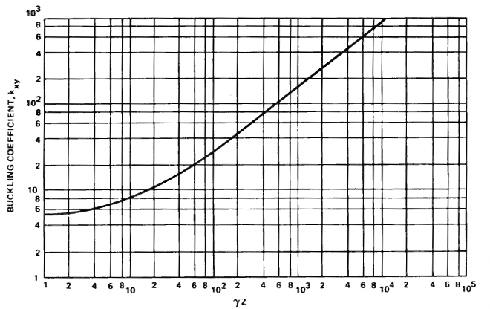
 |  |  |  |  |  |  |  |  |  |  |  |  |  |  |  |  |  |  | 2543.838 |  | 0.010 |  | 2543.838 |  | 0.010
 |  |  |  |  |  |  |  |  |  |  |  |  |  |  |  |  |  |  | 2543.838 |  | 293.379 |  | 2543.838 |  | 320.991
 |  |  |  |  |  |  |  |  |  |  |  |  |  |  |  |  |  |  | 0.010 |  | 293.379 |  | 0.010 |  | 320.991

kxy.ss = | 293.38 |  |  | kxy.cl = | 320.9913

 |  |  | Edge Fixity, 0.0 = Simply Supported, 1.0 = Clamped: | 0.0 |  | kxy = | 293.38

= | (293 × π² × 422) / (0.04 × 40²)
τxy = | 19091.4 | psi

To display formula values or variables using the xln & xlv functions, you need the XL-Viking add-in.
The free version is available here: www.XL-Viking.com

