Analysis
Author: | R. Abbott |  | Total Report Pages: | 1 |  |  |  |  |  | Page | Title | Sub | Sub | Sub | Fig | Table | Running Counts | Total Sheet Pages: | 1
Check: |  |  | Report: | AA-SM-013-053 |  |  |  |  |  | No | No | Title | Title | Title | No | No |  | Total Title No: | 0
Date: | 30/3/2016 |  | Revision: | IR |  |  |  |  |  |  |  |  |  |  |  |  |  | Total Sub No: | 0
Section Number: |  |  | Sheet Name | SHORT RECTANGULAR MEMBRANES |  |  |  |  |  |  |  |  |  |  |  |  |  | Total Sub No: | 0
Report Title: | STANDARD SPREADSHEET METHOD |  |  |  |  |  |  |  |  |  |  |  |  |  |  |  |  | Total Sub No: | 0
Section: |  |  |  |  |  |  |  |  |  |  |  |  |  |  |  |  |  | Total Fig No: | 0
 |  |  |  |  |  |  |  |  |  |  |  |  |  |  |  |  |  | Total Table No: | 0
 |  | Author: | R. Abbott |  |  | Document Number: | AA-SM-013-053
 |  | Check: |  |  |  | Revision Level : | IR |  |  | 1
 |  | Date: | 30/3/2016 |  |  | Page: | 1 of 1 |  | 1
 |  | Title: | STANDARD SPREADSHEET METHOD
SHORT RECTANGULAR MEMBRANES |  |  |  |  |  |  |  |  |  |  |  |  |  |  |  |  |  |  |  | a/b | n₆ | n₂ | n₃ | n₅ | n₁ | n₇ | n₄
(AFFDL-TR-69-42, 1986) |  |  |  |  |  |  |  |  |  |  |  |  |  |  |  |  |  |  |  |  |  |  |  |  |  |  |  |  | n₆ | n₂ | n₃ | n₅ | n₁ | n₇ | n₄
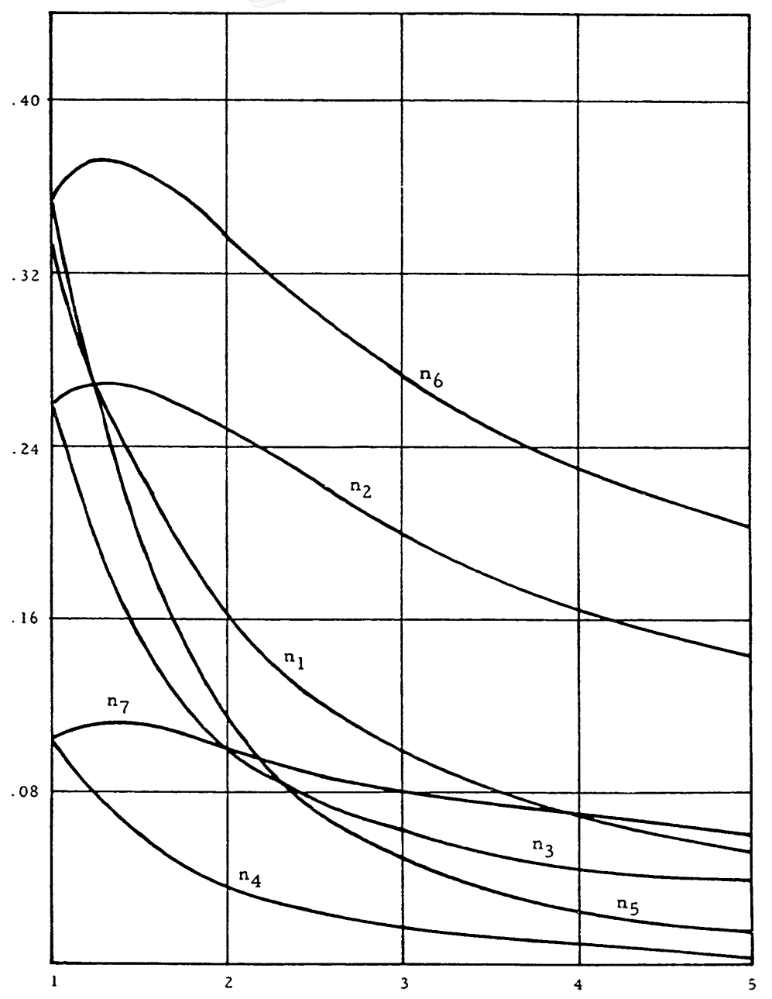
 |  |  |  |  |  |  |  |  |  |  |  |  |  |  |  |  |  |  |  | 1 | 0.355 | 0.257 | 0.257 | 0.355 | 0.33 | 0.105 | 0.105 | 1.0 | 0.355 | 0.259 | 0.256 | 0.355 | 0.327 | 0.107 | 0.104 | 3.2 | 0
A long rectangular membrane is where the length is more than 5 times the width. (a/b > 5) |  |  |  |  |  |  |  |  |  |  |  |  |  |  |  |  |  |  |  | 1.2 | 0.37 | 0.268 | 0.21 | 0.28 | 0.275 | 0.111 | 0.084 | 1.1 | 0.364 | 0.263 | 0.231 | 0.316 | 0.303 | 0.109 | 0.094 | 3.2 | 0.263
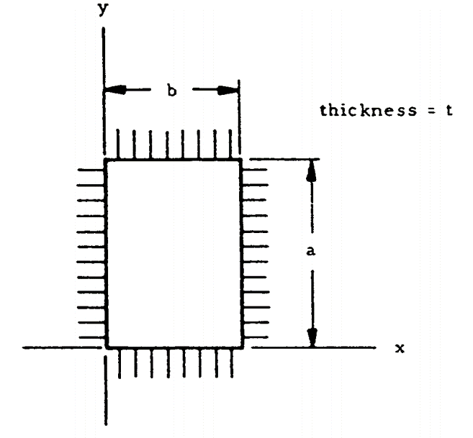
 |  |  | The deflection and stress at the center of a long plate are approximately the same as those in an infinitely long plate: |  |  |  |  |  |  |  |  |  |  |  |  |  |  |  |  | 1.4 | 0.371 | 0.268 | 0.167 | 0.225 | 0.245 | 0.113 | 0.069 | 1.2 | 0.370 | 0.266 | 0.208 | 0.281 | 0.282 | 0.110 | 0.085 | 0.0 | 0.263
 |  |  |  |  |  |  |  |  |  |  |  |  |  |  |  |  |  |  |  | 1.6 | 0.363 | 0.265 | 0.1375 | 0.177 | 0.215 | 0.111 | 0.055 | 1.3 | 0.371 | 0.267 | 0.187 | 0.250 | 0.262 | 0.111 | 0.076
 |  |  |  |  |  |  |  |  |  |  |  |  |  |  |  |  |  |  |  | 1.8 | 0.352 | 0.257 | 0.115 | 0.142 | 0.185 | 0.106 | 0.0445 | 1.4 | 0.371 | 0.267 | 0.169 | 0.223 | 0.243 | 0.110 | 0.068 | 3.2 | 0
 |  |  | a = | 32.00 | in, Length of plate |  | From the graph below: |  |  |  |  |  |  |  |  |  |  |  |  | 2 | 0.338 | 0.249 | 0.1 | 0.115 | 0.162 | 0.1 | 0.0365 | 1.5 | 0.368 | 0.266 | 0.154 | 0.199 | 0.227 | 0.110 | 0.062 | 3.2 | 0.191
 |  |  | b = | 10.00 | in, Width of plate |  | n₁ = | 0.0914 |  |  |  |  |  |  |  |  |  |  |  | 2.2 | 0.324 | 0.24 | 0.089 | 0.094 | 0.144 | 0.095 | 0.0312 | 1.6 | 0.364 | 0.264 | 0.140 | 0.177 | 0.211 | 0.109 | 0.055 | 0.0 | 0.191
 |  |  | p = | 15.00 | psi, Pressure |  | n₂ = | 0.1907 |  |  |  |  |  |  |  |  |  |  |  | 2.4 | 0.31 | 0.23 | 0.081 | 0.078 | 0.129 | 0.0915 | 0.027 | 1.7 | 0.358 | 0.261 | 0.128 | 0.159 | 0.197 | 0.107 | 0.050
 |  |  | E = | 10000000 | psi, Young's Modulus |  | n₃ = | 0.0592 |  |  |  |  |  |  |  |  |  |  |  | 2.6 | 0.296 | 0.22 | 0.074 | 0.066 | 0.117 | 0.086 | 0.024 | 1.8 | 0.352 | 0.258 | 0.117 | 0.142 | 0.185 | 0.106 | 0.045 | 3.2 | 0
 |  |  | μ = | 0.32 | poissions ratio |  | n₄ = | 0.0163 |  |  |  |  |  |  |  |  |  |  |  | 2.8 | 0.285 | 0.21 | 0.068 | 0.058 | 0.108 | 0.083 | 0.021 | 1.9 | 0.345 | 0.254 | 0.108 | 0.128 | 0.173 | 0.104 | 0.041 | 3.2 | 0.059
 |  |  | t = | 0.1 | in, Thickness |  | n₅ = | 0.0431 |  |  |  |  |  |  |  |  |  |  |  | 3 | 0.2735 | 0.2 | 0.063 | 0.05 | 0.099 | 0.08 | 0.0182 | 2.0 | 0.338 | 0.250 | 0.100 | 0.115 | 0.163 | 0.102 | 0.037 | 0.0 | 0.059
 |  |  |  |  |  |  | n₆ = | 0.2626 |  |  |  |  |  |  |  |  |  |  |  | 3.2 | 0.2615 | 0.19 | 0.058 | 0.043 | 0.092 | 0.078 | 0.016 | 2.1 | 0.331 | 0.246 | 0.093 | 0.104 | 0.153 | 0.099 | 0.034
 |  |  | a/b = | 3.20 |  |  | n₇ = | 0.0768 |  |  |  |  |  |  |  |  |  |  |  | 3.4 | 0.253 | 0.183 | 0.0535 | 0.038 | 0.085 | 0.076 | 0.014 | 2.2 | 0.324 | 0.241 | 0.088 | 0.094 | 0.145 | 0.097 | 0.031 | 3.2 | 0
Test for membrane action: |  |  |  |  |  |  |  |  |  |  |  |  |  |  |  |  |  |  |  | 3.6 | 0.244 | 0.176 | 0.0505 | 0.033 | 0.079 | 0.074 | 0.0125 | 2.3 | 0.317 | 0.236 | 0.083 | 0.086 | 0.137 | 0.095 | 0.029 | 3.2 | 0.043
$$δ=n_{1}∙a∙\sqrt[3]{{\left(p∙a\right)}/{\left(E∙t\right)}}$$
= | (15 / (1E+07)) × ((10) / 0.1)⁴ |  |  | Deflection at the centre of the membrane |  |  |  |  |  |  |  |  |  |  |  |  |  |  |  | 3.8 | 0.2365 | 0.17 | 0.0475 | 0.0291 | 0.074 | 0.072 | 0.0115 | 2.4 | 0.310 | 0.231 | 0.078 | 0.079 | 0.130 | 0.092 | 0.026 | 0.0 | 0.043
= | 150.0 |  |  |  |  |  |  |  |  |  |  |  |  |  |  |  |  |  |  | 4 | 0.2295 | 0.165 | 0.0450 | 0.0260 | 0.070 | 0.07 | 0.0105 | 2.5 | 0.303 | 0.225 | 0.075 | 0.072 | 0.123 | 0.090 | 0.024
Value is greater than 100, this plate can be considered as a membrane. |  |  |  | = | 0.0914 × 32 × ((15 × 32) / ((1E+07) × 0.1))⁰·³³³ |  |  |  |  |  |  |  |  |  |  |  |  |  |  | 4.2 | 0.223 | 0.16 | 0.0432 | 0.0230 | 0.065 | 0.068 | 0.0095 | 2.6 | 0.296 | 0.220 | 0.072 | 0.066 | 0.117 | 0.088 | 0.023 | 3.2 | 0
 |  |  |  | = | 0.2296 | in |  |  |  |  |  |  |  |  |  |  |  |  |  | 4.4 | 0.218 | 0.1545 | 0.0421 | 0.0210 | 0.061 | 0.066 | 0.0083 | 2.7 | 0.290 | 0.215 | 0.069 | 0.061 | 0.112 | 0.086 | 0.021 | 3.2 | 0.091
 |  |  |  |  |  |  |  |  |  |  |  |  |  |  |  |  |  |  |  | 4.6 | 0.213 | 0.15 | 0.0410 | 0.0190 | 0.058 | 0.0645 | 0.0077 | 2.8 | 0.284 | 0.210 | 0.067 | 0.057 | 0.107 | 0.084 | 0.020 | 0.0 | 0.091
 | n₆ |  | n₂ |  | n₃ |  | n₅ |  | n₁ |  | n₇ |  | n₄
1.0 | 0.355 | 1.0 | 0.259 | 1.0 | 0.256 | 1.0 | 0.355 | 1.0 | 0.327 | 1.0 | 0.107 | 1.0 | 0.104 | 3.2 | 0.000
1.1 | 0.364 | 1.1 | 0.263 | 1.1 | 0.231 | 1.1 | 0.316 | 1.1 | 0.303 | 1.1 | 0.109 | 1.1 | 0.094 | 3.2 | 0.263
1.2 | 0.370 | 1.2 | 0.266 | 1.2 | 0.208 | 1.2 | 0.281 | 1.2 | 0.282 | 1.2 | 0.110 | 1.2 | 0.085 | 0.0 | 0.263
1.3 | 0.371 | 1.3 | 0.267 | 1.3 | 0.187 | 1.3 | 0.250 | 1.3 | 0.262 | 1.3 | 0.111 | 1.3 | 0.076
1.4 | 0.371 | 1.4 | 0.267 | 1.4 | 0.169 | 1.4 | 0.223 | 1.4 | 0.243 | 1.4 | 0.110 | 1.4 | 0.068 | 3.2 | 0.000
1.5 | 0.368 | 1.5 | 0.266 | 1.5 | 0.154 | 1.5 | 0.199 | 1.5 | 0.227 | 1.5 | 0.110 | 1.5 | 0.062 | 3.2 | 0.191
1.6 | 0.364 | 1.6 | 0.264 | 1.6 | 0.140 | 1.6 | 0.177 | 1.6 | 0.211 | 1.6 | 0.109 | 1.6 | 0.055 | 0.0 | 0.191
1.7 | 0.358 | 1.7 | 0.261 | 1.7 | 0.128 | 1.7 | 0.159 | 1.7 | 0.197 | 1.7 | 0.107 | 1.7 | 0.050
1.8 | 0.352 | 1.8 | 0.258 | 1.8 | 0.117 | 1.8 | 0.142 | 1.8 | 0.185 | 1.8 | 0.106 | 1.8 | 0.045 | 3.2 | 0.000
1.9 | 0.345 | 1.9 | 0.254 | 1.9 | 0.108 | 1.9 | 0.128 | 1.9 | 0.173 | 1.9 | 0.104 | 1.9 | 0.041 | 3.2 | 0.059
2.0 | 0.338 | 2.0 | 0.250 | 2.0 | 0.100 | 2.0 | 0.115 | 2.0 | 0.163 | 2.0 | 0.102 | 2.0 | 0.037 | 0.0 | 0.059
2.1 | 0.331 | 2.1 | 0.246 | 2.1 | 0.093 | 2.1 | 0.104 | 2.1 | 0.153 | 2.1 | 0.099 | 2.1 | 0.034
2.2 | 0.324 | 2.2 | 0.241 | 2.2 | 0.088 | 2.2 | 0.094 | 2.2 | 0.145 | 2.2 | 0.097 | 2.2 | 0.031 | 3.2 | 0.000
2.3 | 0.317 | 2.3 | 0.236 | 2.3 | 0.083 | 2.3 | 0.086 | 2.3 | 0.137 | 2.3 | 0.095 | 2.3 | 0.029 | 3.2 | 0.043
2.4 | 0.310 | 2.4 | 0.231 | 2.4 | 0.078 | 2.4 | 0.079 | 2.4 | 0.130 | 2.4 | 0.092 | 2.4 | 0.026 | 0.0 | 0.043
2.5 | 0.303 | 2.5 | 0.225 | 2.5 | 0.075 | 2.5 | 0.072 | 2.5 | 0.123 | 2.5 | 0.090 | 2.5 | 0.024
2.6 | 0.296 | 2.6 | 0.220 | 2.6 | 0.072 | 2.6 | 0.066 | 2.6 | 0.117 | 2.6 | 0.088 | 2.6 | 0.023 | 3.2 | 0.000
2.7 | 0.290 | 2.7 | 0.215 | 2.7 | 0.069 | 2.7 | 0.061 | 2.7 | 0.112 | 2.7 | 0.086 | 2.7 | 0.021 | 3.2 | 0.091
2.8 | 0.284 | 2.8 | 0.210 | 2.8 | 0.067 | 2.8 | 0.057 | 2.8 | 0.107 | 2.8 | 0.084 | 2.8 | 0.020 | 0.0 | 0.091
2.9 | 0.278 | 2.9 | 0.205 | 2.9 | 0.065 | 2.9 | 0.053 | 2.9 | 0.103 | 2.9 | 0.082 | 2.9 | 0.019
3.0 | 0.273 | 3.0 | 0.200 | 3.0 | 0.063 | 3.0 | 0.049 | 3.0 | 0.099 | 3.0 | 0.080 | 3.0 | 0.018 | 3.2 | 0.000
3.1 | 0.268 | 3.1 | 0.195 | 3.1 | 0.061 | 3.1 | 0.046 | 3.1 | 0.095 | 3.1 | 0.078 | 3.1 | 0.017 | 3.2 | 0.077
3.2 | 0.263 | 3.2 | 0.191 | 3.2 | 0.059 | 3.2 | 0.043 | 3.2 | 0.091 | 3.2 | 0.077 | 3.2 | 0.016 | 0.0 | 0.077
3.3 | 0.258 | 3.3 | 0.187 | 3.3 | 0.058 | 3.3 | 0.040 | 3.3 | 0.088 | 3.3 | 0.075 | 3.3 | 0.016
3.4 | 0.253 | 3.4 | 0.183 | 3.4 | 0.056 | 3.4 | 0.038 | 3.4 | 0.085 | 3.4 | 0.074 | 3.4 | 0.015 | 3.2 | 0.000
3.5 | 0.249 | 3.5 | 0.179 | 3.5 | 0.054 | 3.5 | 0.036 | 3.5 | 0.082 | 3.5 | 0.073 | 3.5 | 0.014 | 3.2 | 0.016
3.6 | 0.244 | 3.6 | 0.176 | 3.6 | 0.053 | 3.6 | 0.033 | 3.6 | 0.079 | 3.6 | 0.072 | 3.6 | 0.013 | 0.0 | 0.016
3.7 | 0.240 | 3.7 | 0.172 | 3.7 | 0.051 | 3.7 | 0.031 | 3.7 | 0.077 | 3.7 | 0.072 | 3.7 | 0.013
3.8 | 0.236 | 3.8 | 0.170 | 3.8 | 0.049 | 3.8 | 0.030 | 3.8 | 0.074 | 3.8 | 0.071 | 3.8 | 0.012
3.9 | 0.233 | 3.9 | 0.167 | 3.9 | 0.047 | 3.9 | 0.028 | 3.9 | 0.072 | 3.9 | 0.070 | 3.9 | 0.011
4.0 | 0.229 | 4.0 | 0.164 | 4.0 | 0.046 | 4.0 | 0.026 | 4.0 | 0.070 | 4.0 | 0.070 | 4.0 | 0.011
4.1 | 0.226 | 4.1 | 0.162 | 4.1 | 0.044 | 4.1 | 0.025 | 4.1 | 0.067 | 4.1 | 0.069 | 4.1 | 0.010
4.2 | 0.223 | 4.2 | 0.160 | 4.2 | 0.043 | 4.2 | 0.023 | 4.2 | 0.065 | 4.2 | 0.069 | 4.2 | 0.009
4.3 | 0.220 | 4.3 | 0.158 | 4.3 | 0.041 | 4.3 | 0.022 | 4.3 | 0.063 | 4.3 | 0.068 | 4.3 | 0.009
4.4 | 0.218 | 4.4 | 0.156 | 4.4 | 0.040 | 4.4 | 0.021 | 4.4 | 0.061 | 4.4 | 0.068 | 4.4 | 0.008
4.5 | 0.215 | 4.5 | 0.154 | 4.5 | 0.039 | 4.5 | 0.020 | 4.5 | 0.059 | 4.5 | 0.067 | 4.5 | 0.007
4.6 | 0.213 | 4.6 | 0.152 | 4.6 | 0.039 | 4.6 | 0.019 | 4.6 | 0.058 | 4.6 | 0.066 | 4.6 | 0.007
4.7 | 0.211 | 4.7 | 0.149 | 4.7 | 0.039 | 4.7 | 0.018 | 4.7 | 0.056 | 4.7 | 0.065 | 4.7 | 0.006
4.8 | 0.208 | 4.8 | 0.147 | 4.8 | 0.039 | 4.8 | 0.017 | 4.8 | 0.055 | 4.8 | 0.063 | 4.8 | 0.006
4.9 | 0.205 | 4.9 | 0.144 | 4.9 | 0.041 | 4.9 | 0.016 | 4.9 | 0.053 | 4.9 | 0.061 | 4.9 | 0.005
5.0 | 0.202 | 5.0 | 0.141 | 5.0 | 0.043 | 5.0 | 0.016 | 5.0 | 0.052 | 5.0 | 0.058 | 5.0 | 0.005
$$f_{x}=n_{2}∙\sqrt[3]{p^{2}∙E∙{\left(a/t\right)}^{2}}$$
 |  |  |  | Stresses at the centre of the membrane |  |  |  |  |  |  |  |  |  |  |  |  |  |  |  | 4.8 | 0.2075 | 0.146 | 0.0406 | 0.0170 | 0.055 | 0.062 | 0.006 | 2.9 | 0.278 | 0.205 | 0.065 | 0.053 | 0.103 | 0.082 | 0.019
 |  |  |  |  |  |  |  |  |  |  |  |  |  |  |  |  |  |  |  | 5 | 0.2 | 0.142 | 0.0400 | 0.0152 | 0.052 | 0.06 | 0.004 | 3.0 | 0.273 | 0.200 | 0.063 | 0.049 | 0.099 | 0.080 | 0.018 | 3.2 | 0
 |  |  |  | = | 0.191 × 0.1 × (15² × (1E+07) × (32 / 0.1)²)⁰·³³³ |  |  |  |  |  |  |  |  |  |  |  |  |  |  |  |  |  |  |  |  |  |  | 3.1 | 0.268 | 0.195 | 0.061 | 0.046 | 0.095 | 0.078 | 0.017 | 3.2 | 0.077
$$f_{y}=n_{3}∙\sqrt[3]{p^{2}∙E∙{\left(a/t\right)}^{2}}$$
 |  |  |  | = | 1156.3 | psi |  |  |  |  |  |  |  |  |  |  |  |  |  |  |  |  |  |  |  |  |  | 3.2 | 0.263 | 0.191 | 0.059 | 0.043 | 0.091 | 0.077 | 0.016 | 0.0 | 0.077
 |  |  |  |  |  |  |  |  |  |  |  |  |  |  |  |  |  |  |  |  |  |  |  |  |  |  |  | 3.3 | 0.258 | 0.187 | 0.058 | 0.040 | 0.088 | 0.075 | 0.016
 |  |  |  | = | 0.0592 × 0.1 × (15² × (1E+07) × (32 / 0.1)²)⁰·³³³ |  |  |  |  |  |  |  |  |  |  |  |  |  |  |  |  |  |  |  |  |  |  | 3.4 | 0.253 | 0.183 | 0.056 | 0.038 | 0.085 | 0.074 | 0.015 | 3.2 | 0
 |  |  |  | = | 358.7 | psi |  |  |  |  |  |  |  |  |  |  |  |  |  |  |  |  |  |  |  |  |  | 3.5 | 0.249 | 0.179 | 0.054 | 0.036 | 0.082 | 0.073 | 0.014 | 3.2 | 0.016
 |  |  |  |  |  |  |  |  |  |  |  |  |  |  |  |  |  |  |  |  |  |  |  |  |  |  |  | 3.6 | 0.244 | 0.176 | 0.053 | 0.033 | 0.079 | 0.072 | 0.013 | 0.0 | 0.016
$$f_{x}=n_{4}∙\sqrt[3]{p^{2}∙E∙{\left(a/t\right)}^{2}}$$
 |  |  |  | Stresses at the centre of the Short Side |  |  |  |  |  |  |  |  |  |  |  |  |  |  |  |  |  |  |  |  |  |  |  | 3.7 | 0.240 | 0.172 | 0.051 | 0.031 | 0.077 | 0.072 | 0.013
 |  |  |  |  |  |  |  |  |  |  |  |  |  |  |  |  |  |  |  |  |  |  |  |  |  |  |  | 3.8 | 0.236 | 0.170 | 0.049 | 0.030 | 0.074 | 0.071 | 0.012
 |  |  |  | = | 0.0163 × 0.1 × (15² × (1E+07) × (32 / 0.1)²)⁰·³³³ |  |  |  |  |  |  |  |  |  |  |  |  |  |  |  |  |  |  |  |  |  |  | 3.9 | 0.233 | 0.167 | 0.047 | 0.028 | 0.072 | 0.070 | 0.011
$$f_{y}=n_{5}∙\sqrt[3]{p^{2}∙E∙{\left(a/t\right)}^{2}}$$
 |  |  |  | = | 98.8 | psi |  |  |  |  |  |  |  |  |  |  |  |  |  |  |  |  |  |  |  |  |  | 4.0 | 0.229 | 0.164 | 0.046 | 0.026 | 0.070 | 0.070 | 0.011
 |  |  |  |  |  |  |  |  |  |  |  |  |  |  |  |  |  |  |  |  |  |  |  |  |  |  |  | 4.1 | 0.226 | 0.162 | 0.044 | 0.025 | 0.067 | 0.069 | 0.010
 |  |  |  | = | 0.0431 × 0.1 × (15² × (1E+07) × (32 / 0.1)²)⁰·³³³ |  |  |  |  |  |  |  |  |  |  |  |  |  |  |  |  |  |  |  |  |  |  | 4.2 | 0.223 | 0.160 | 0.043 | 0.023 | 0.065 | 0.069 | 0.009
 |  |  |  | = | 261.3 | psi |  |  |  |  |  |  |  |  |  |  |  |  |  |  |  |  |  |  |  |  |  | 4.3 | 0.220 | 0.158 | 0.041 | 0.022 | 0.063 | 0.068 | 0.009
 |  |  |  |  |  |  |  |  |  |  |  |  |  |  |  |  |  |  |  |  |  |  |  |  |  |  |  | 4.4 | 0.218 | 0.156 | 0.040 | 0.021 | 0.061 | 0.068 | 0.008
$$f_{x}=n_{6}∙\sqrt[3]{p^{2}∙E∙{\left(a/t\right)}^{2}}$$
 |  |  |  | Stresses at the centre of the Long Side |  |  |  |  |  |  |  |  |  |  |  |  |  |  |  |  |  |  |  |  |  |  |  | 4.5 | 0.215 | 0.154 | 0.039 | 0.020 | 0.059 | 0.067 | 0.007
 |  |  |  |  |  |  |  |  |  |  |  |  |  |  |  |  |  |  |  |  |  |  |  |  |  |  |  | 4.6 | 0.213 | 0.152 | 0.039 | 0.019 | 0.058 | 0.066 | 0.007
 |  |  |  | = | 0.263 × 0.1 × (15² × (1E+07) × (32 / 0.1)²)⁰·³³³ |  |  |  |  |  |  |  |  |  |  |  |  |  |  |  |  |  |  |  |  |  |  | 4.7 | 0.211 | 0.149 | 0.039 | 0.018 | 0.056 | 0.065 | 0.006
$$f_{y}=n_{7}∙\sqrt[3]{p^{2}∙E∙{\left(a/t\right)}^{2}}$$
 |  |  |  | = | 1592.0 | psi |  |  |  |  |  |  |  |  |  |  |  |  |  |  |  |  |  |  |  |  |  | 4.8 | 0.208 | 0.147 | 0.039 | 0.017 | 0.055 | 0.063 | 0.006
 |  |  |  |  |  |  |  |  |  |  |  |  |  |  |  |  |  |  |  |  |  |  |  |  |  |  |  | 4.9 | 0.205 | 0.144 | 0.041 | 0.016 | 0.053 | 0.061 | 0.005
 |  |  |  | = | 0.0768 × 0.1 × (15² × (1E+07) × (32 / 0.1)²)⁰·³³³ |  |  |  |  |  |  |  |  |  |  |  |  |  |  |  |  |  |  |  |  |  |  | 5.0 | 0.202 | 0.141 | 0.043 | 0.016 | 0.052 | 0.058 | 0.005
 |  |  |  | = | 465.5 | psi
 |  |  |  |  |  |  |  |  |  |  |  |  |  |  |  |  |  |  |  |  |  |  |  |  |  |  |  | 3.2 | 0.263 | 0.191 | 0.059 | 0.043 | 0.091 | 0.077 | 0.016

 |  |  | If you see errors on this spreadsheet it is because you do not have the XL-Viking Plugin, to find out more:
 |  |  | www.xl-viking.com

