Analysis
Author: | R. Abbott |  |  | Total Report Pages: | 1 |  |  |  | Page | Title | Sub | Sub | Sub | Fig | Table | Running Counts | Total Sheet Pages: | 1
Check: |  |  |  | Report: | AA-SM-013-052 |  |  |  | No | No | Title | Title | Title | No | No |  | Total Title No: | 0
Date: | 30/3/2016 |  |  | Revision: | IR |  |  |  |  |  |  |  |  |  |  |  | Total Sub No: | 0
Section Number: |  |  |  | Sheet Name | LONG RECTANGULAR MEMBRANES |  |  |  |  |  |  |  |  |  |  |  | Total Sub No: | 0
Report Title: | STANDARD SPREADSHEET METHOD |  |  |  |  |  |  |  |  |  |  |  |  |  |  |  | Total Sub No: | 0
Section: |  |  |  |  |  |  |  |  |  |  |  |  |  |  |  |  | Total Fig No: | 0
 |  |  |  |  |  |  |  |  |  |  |  |  |  |  |  |  | Total Table No: | 0
 |  |  | Author: | R. Abbott |  | Document Number: | AA-SM-013-052
 |  |  | Check: |  |  | Revision Level : | IR |  | 1
 |  |  | Date: | 30/3/2016 |  | Page: | 1 of 1 | 1
 |  |  | Title: | STANDARD SPREADSHEET METHOD
LONG RECTANGULAR MEMBRANES
(AFFDL-TR-69-42, 1986)

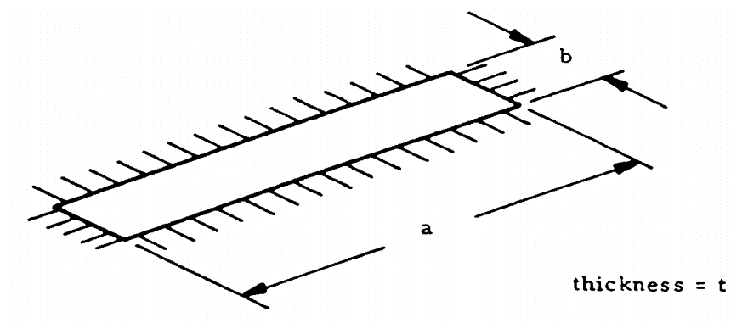
A long rectangular membrane is where the length is more than 5 times the width. (a/b > 5)
 |  |  |  | The deflection and stress at the center of a long plate are approximately the same as those in an infinitely long plate:

b = | 10.00 | in, Width of plate |  | Test for membrane action:
p = | 15.00 | psi, Pressure |  | = | (15 / (1E+07)) × ((10) / 0.1)⁴
E = | 10000000 | psi, Young's Modulus |  | = | 150.0
μ = | 0.32 | poissions ratio |  | Value is greater than 100, this plate can be considered as a membrane.
t = | 0.1 | in, Thickness

Maximum stress in the plate:
$$f_{max}={\left[\frac{p^{2}∙E∙b^{2}}{24∙\left(1−μ^{2}\right)∙t^{2}}\right]}^{1/3}$$

= | ((15² × (1E+07) × 10²) / (24 × (1 - 0.316²) × 0.1²))⁰·³³³
= | 10127.1 | in

The deflection of the membrane at a distance, r, from the plate center is
$$δ=\frac{1}{8}∙b∙{\left[\frac{24∙\left(1−μ^{2}\right)∙p∙b}{E∙t}\right]}^{1/3}$$

= | 0.125 × 10 × ((24 × (1 - 0.316²) × 15 × 10) / ((1E+07) × 0.1))⁰·³³³
= | 0.1853 | in

 |  |  |  | If you see errors on this spreadsheet it is because you do not have the XL-Viking Plugin, to find out more:
 |  |  |  | www.xl-viking.com

