Imperial Units
Author: | R. Abbott |  |  | Total Report Pages: | 1 |  |  |  |  | Page | Title | Sub | Sub | Sub | Fig | Table | Running Counts | Total Sheet Pages: | 1
Check: |  |  |  | Report: | AA-SM-008-008 |  |  |  |  | No | No | Title | Title | Title | No | No |  | Total Title No: | 0
Date: | 20/10/2013 |  |  | Revision: | A |  |  |  |  |  |  |  |  |  |  |  |  | Total Sub No: | 0
Section Number: |  |  |  | Sheet Name | CONTACT STRESSES - RIGID KNIFE EDGE ON PLATE |  |  |  |  |  |  |  |  |  |  |  |  | Total Sub No: | 0
Report Title: | STANDARD SPREADSHEET METHOD |  |  |  |  |  |  |  |  |  |  |  |  |  |  |  |  | Total Sub No: | 0
Section: |  |  |  |  |  |  |  |  |  |  |  |  |  |  |  |  |  | Total Fig No: | 0
 |  |  |  |  |  |  |  |  |  |  |  |  |  |  |  |  |  | Total Table No: | 0
 |  |  | Author: | R. Abbott |  |  | Document Number: | AA-SM-008-008
 |  |  | Check: |  |  |  | Revision Level : | A |  | 1
 |  |  | Date: | 20/10/2013 |  |  | Page: | 1 of 1 | 1
 |  |  | Title: | STANDARD SPREADSHEET METHOD
CONTACT STRESSES - RIGID KNIFE EDGE ON PLATE
(Abbott, Richard. Analysis and Design of Composite and Metallic Flight Vehicle Structures 1st Edition, 2016)
(AFFDL-TR-69-42, 1986) CHAPTER 11
 |  |  |  | Load:
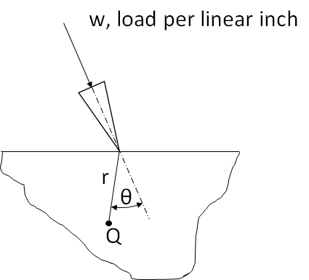
 |  |  |  | w = | 1000 | lb/in | Applied Load per linear inch

 |  |  |  | θ = | 45.00 | deg

 |  |  |  | r = | 0.08 | in

Maximum Compressive Bearing Stress, at any point Q,
fbrc = | 2 × w × COS[RADIANS[θ]] / (π × r)
= | 2 × 1000 × COS[RADIANS[45]] / (π × 0.08)
fbrc = | 5627 | psi

 |  |  |  | If you see errors on this spreadsheet it is because you do not have the XL-Viking Plugin, to find out more:
 |  |  |  | www.xl-viking.com

