Imperial Units
Author: | R. Abbott |  |  | Total Report Pages: | 1 |  |  |  |  | Page | Title | Sub | Sub | Sub | Fig | Table | Running Counts | Total Sheet Pages: | 1
Check: |  |  |  | Report: | AA-SM-008-007 |  |  |  |  | No | No | Title | Title | Title | No | No |  | Total Title No: | 0
Date: | 20/10/2013 |  |  | Revision: | A |  |  |  |  |  |  |  |  |  |  |  |  | Total Sub No: | 0
Section Number: |  |  |  | Sheet Name | CONTACT STRESSES - CYLINDER ON CYLINDER AXES AT RIGHT ANGLES |  |  |  |  |  |  |  |  |  |  |  |  | Total Sub No: | 0
Report Title: | STANDARD SPREADSHEET METHOD |  |  |  |  |  |  |  |  |  |  |  |  |  |  |  |  | Total Sub No: | 0
Section: |  |  |  |  |  |  |  |  |  |  |  |  |  |  |  |  |  | Total Fig No: | 0
 |  |  |  |  |  |  |  |  |  |  |  |  |  |  |  |  |  | Total Table No: | 0
 |  |  | Author: | R. Abbott |  |  | Document Number: | AA-SM-008-007
 |  |  | Check: |  |  |  | Revision Level : | A |  | 1
 |  |  | Date: | 20/10/2013 |  |  | Page: | 1 of 1 | 1
 |  |  | Title: | STANDARD SPREADSHEET METHOD
CONTACT STRESSES - CYLINDER ON CYLINDER AXES AT RIGHT ANGLES
(Abbott, Richard. Analysis and Design of Composite and Metallic Flight Vehicle Structures 1st Edition, 2016)
(AFFDL-TR-69-42, 1986) CHAPTER 11
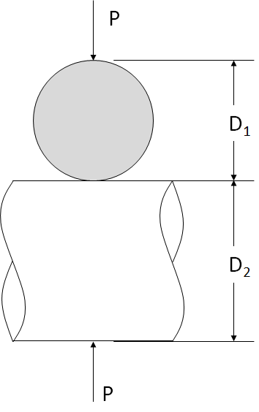
 |  |  | Where D₁ > D₂

 |  |  |  | Lower Cylinder Material: | Steel
 |  |  |  | E₁ = | 2.86E+07 | psi | Modulus of Elasticity
 |  |  |  | ν₁ = | 0.25 |  | Poisson's Ratio |  |  |  |  |  |  |  |  |  |  |  | K1 | K2 | K3
 |  |  |  | D₁ = | 1.00 | in
 |  |  |  |  |  |  |  |  |  |  |  |  |  |  |  |  |  | 1.0 | 0.908 | 1 | 2.08
 |  |  |  | Upper Cylinder Material: | Steel |  |  |  |  |  |  |  |  |  |  |  |  | 1.5 | 1.045 | 0.765 | 2.06
 |  |  |  | E₂ = | 2.86E+07 | psi | Young's Modulus |  |  |  |  |  |  |  |  |  |  | 2.0 | 1.158 | 0.632 | 2.025
 |  |  |  | ν₂ = | 0.25 |  | Poisson's Ratio |  |  |  |  |  |  |  |  |  |  | 3.0 | 1.35 | 0.482 | 1.95
 |  |  |  | D₂ = | 0.50 | in | Roller Diameter |  |  |  |  |  |  |  |  |  |  | 4.0 | 1.505 | 0.4 | 1.875
 |  |  |  |  |  |  |  |  |  |  |  |  |  |  |  |  |  | 6.0 | 1.767 | 0.308 | 1.77
 |  |  |  | Load: |  |  |  |  |  |  |  |  |  |  |  |  |  | 10.0 | 2.175 | 0.221 | 1.613
 |  |  |  | P = | 1000 | lb | Applied Load

D₁ / D₂ = | 2 |  | K₁ = | 1.166
 |  |  | K₂ = | 0.632
 |  |  | K₃ = | 2.016

Definition of Contact Area:

a = | K₁ × (P × D₁ × D₂ / (D₁ + D₂) × ((1 - ν₁²) / E₁ + (1 - ν₂²) / E₂))⁽¹′³⁾
= | 1.17 × (1000 × 1 × 0.5 / (1 + 0.5) × ((1 - 0.25²) / (2.86E+07) + (1 - 0.25²) / (2.86E+07)))⁽¹′³⁾
a = | 0.033 | in

b = | K₂ × a
= | 0.632 × 0.0326
b = | 0.021 | in
K₁
K₃
Deflection
fbrc = | K₃ × (P² / (E₁ / (1 - ν₁²) + E₂ / (1 - ν₂²))² × (D₁ + D₂) / D₁ × D₂)⁽¹′³⁾
= | 2.02 × (1000² / ((2.86E+07) / (1 - 0.25²) + (2.86E+07) / (1 - 0.25²))² × (1 + 0.5) / 1 × 0.5)⁽¹′³⁾
fbrc = | 0.0012 | in

Maximum Compressive Bearing Stress
fbrc = | 1.5 × P / (π × a × b)
= | 1.5 × 1000 / (π × 0.0326 × 0.0206)
fbrc = | 710168 | psi

K₂
 |  |  |  | If you see errors on this spreadsheet it is because you do not have the XL-Viking Plugin, to find out more:
 |  |  |  | www.xl-viking.com

