Imperial Units
Author: | R. Abbott |  |  | Total Report Pages: | 1 |  |  |  |  | Page | Title | Sub | Sub | Sub | Fig | Table | Running Counts | Total Sheet Pages: | 1
Check: |  |  |  | Report: | AA-SM-008-005 |  |  |  |  | No | No | Title | Title | Title | No | No |  | Total Title No: | 0
Date: | 20/10/2013 |  |  | Revision: | A |  |  |  |  |  |  |  |  |  |  |  |  | Total Sub No: | 0
Section Number: |  |  |  | Sheet Name | CONTACT STRESSES - CYLINDER IN CYLINDRICAL GROOVE |  |  |  |  |  |  |  |  |  |  |  |  | Total Sub No: | 0
Report Title: | STANDARD SPREADSHEET METHOD |  |  |  |  |  |  |  |  |  |  |  |  |  |  |  |  | Total Sub No: | 0
Section: |  |  |  |  |  |  |  |  |  |  |  |  |  |  |  |  |  | Total Fig No: | 0
 |  |  |  |  |  |  |  |  |  |  |  |  |  |  |  |  |  | Total Table No: | 0
 |  |  | Author: | R. Abbott |  |  | Document Number: | AA-SM-008-005
 |  |  | Check: |  |  |  | Revision Level : | A |  | 1
 |  |  | Date: | 20/10/2013 |  |  | Page: | 1 of 1 | 1
 |  |  | Title: | STANDARD SPREADSHEET METHOD
CONTACT STRESSES - CYLINDER IN CYLINDRICAL GROOVE
(Abbott, Richard. Analysis and Design of Composite and Metallic Flight Vehicle Structures 1st Edition, 2016)
(AFFDL-TR-69-42, 1986) CHAPTER 11

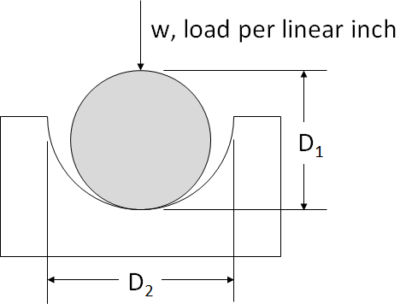
 |  |  |  | Track Material: | Steel
 |  |  |  | E₁ = | 2.86E+07 | psi | Modulus of Elasticity
 |  |  |  | ν₁ = | 0.25 |  | Poisson's Ratio
 |  |  |  | D₁ = | 2.00 | in | Roller Diameter

 |  |  |  | Roller Material: | Steel
 |  |  |  | E₂ = | 2.86E+07 | psi | Young's Modulus
 |  |  |  | ν₂ = | 0.25 |  | Poisson's Ratio
 |  |  |  | D₂ = | 0.50 | in | Roller Diameter

 |  |  |  | Load:
 |  |  |  | w = | 1000 | lb/in | Applied Load per linear inch

Width of Contact Area:
t = | 1.6 × √[w × D₁ × D₂ / (D₁ - D₂) × ((1 - ν₁²) / E₁ + (1 - ν₂²) / E₂)]
= | 1.6 × √[1000 × 2 × 0.5 / (2 - 0.5) × ((1 - 0.25²) / (2.86E+07) + (1 - 0.25²) / (2.86E+07))]
t = | 0.010577717707 | in

Maximum Compressive Bearing Stress
fbrc = | 0.798 × √[(w × (D₁ - D₂) / (D₁ × D₂)) / (D₂ × ((1 - ν₁²) / E₁ + (1 - ν₂²) / E₂))]
= | 0.798 × √[(1000 × (2 - 0.5) / (2 × 0.5)) / (0.5 × ((1 - 0.25²) / (2.86E+07) + (1 - 0.25²) / (2.86E+07)))]
fbrc = | 170705 | psi

 |  |  |  | If you see errors on this spreadsheet it is because you do not have the XL-Viking Plugin, to find out more:
 |  |  |  | www.xl-viking.com

