Flat Plates
Author: | R. Abbott |  | Total Report Pages: | 1 |  |  |  | Page | Title | Sub | Sub | Sub | Fig | Table | Running Counts | Total Sheet Pages: | 1
Check: |  |  | Report: | AA-SM-007-096 |  |  |  | No | No | Title | Title | Title | No | No |  | Total Title No: | 0
Date: | 20/10/2013 |  | Revision: | A |  |  |  |  |  |  |  |  |  |  |  | Total Sub No: | 0
Section Number: |  |  | Sheet Name | MATHEMATICAL DERIVATION OF COMPRESSION BUCKLING COEFFICIENTS FOR TRIANGULAR PANELS |  |  |  |  |  |  |  |  |  |  |  | Total Sub No: | 0
Report Title: | STANDARD SPREADSHEET METHOD |  |  |  |  |  |  |  |  |  |  |  |  |  |  | Total Sub No: | 0
Section: |  |  |  |  |  |  |  |  |  |  |  |  |  |  |  | Total Fig No: | 0
 |  |  |  |  |  |  |  |  |  |  |  |  |  |  |  | Total Table No: | 0
 |  | Author: | R. Abbott |  | Document Number: | AA-SM-007-096
 |  | Check: |  |  | Revision Level : | A |  | 1 |  |  |  |  |  |  |  |  |  | 7.5 | 2
 |  | Date: | 20/10/2013 |  | Page: | 1 of 1 | 1 |  |  |  |  |  |  |  |  |  |  | 2.50 | 2.00
 |  | Title: | STANDARD SPREADSHEET METHOD |  |  |  |  |  |  |  |  |  |  |  |  |  |  | 2.400
MATHEMATICAL DERIVATION OF COMPRESSION BUCKLING COEFFICIENTS FOR TRIANGULAR PANELS

(Abbott, Richard. Analysis and Design of Composite and Metallic Flight Vehicle Structures 1st Edition, 2016)
(NACA-TN-3781, 1957)
Reasonable approximations for triangular Panel compression buckling coefficients are given by the following curves: |  |  |  |  |  |  |  |  |  |  |  |  |  |  |  |  | 0.30 | 52.5 | 24.2
Where r = a/b (height ratio) |  |  |  |  |  |  |  |  |  |  |  |  |  |  |  |  | 0.40 | 30.0 | 14.5
For a Panel simply supported on all edges: |  |  |  |  |  |  |  |  |  |  |  |  |  |  |  |  | 0.50 | 20.7 | 10.0
 |  |  |  |  |  |  |  |  |  |  |  |  |  |  |  |  | 0.60 | 16.0 | 7.6
 |  |  |  |  |  |  |  |  |  |  |  |  |  |  |  |  | 0.70 | 13.4 | 6.1
 |  |  |  |  |  |  |  |  |  |  |  |  |  |  |  |  | 0.80 | 11.8 | 5.1
 |  |  |  |  |  |  |  |  |  |  |  |  |  |  |  |  | 0.90 | 10.7 | 4.5
For a Panel clamped on all edges: |  |  |  |  |  |  |  |  |  |  |  |  |  |  |  |  | 1.00 | 10.0 | 4.0
 |  |  |  |  |  |  |  |  |  |  |  |  |  |  |  |  | 1.10 | 9.5 | 3.7
 |  |  |  |  |  |  |  |  |  |  |  |  |  |  |  |  | 1.20 | 9.1 | 3.4
 |  |  |  |  |  |  |  |  |  |  |  |  |  |  |  |  | 1.30 | 8.8 | 3.2
 |  |  |  |  |  |  |  |  |  |  |  |  |  |  |  |  | 1.40 | 8.6 | 3.0
 |  |  |  |  |  |  |  |  |  |  |  |  |  |  |  |  | 1.50 | 8.4 | 2.9
SS
These curves are plotted over the reference curves below: |  |  |  |  |  |  |  |  |  |  |  |  |  |  |  |  | 1.60 | 8.3 | 2.8
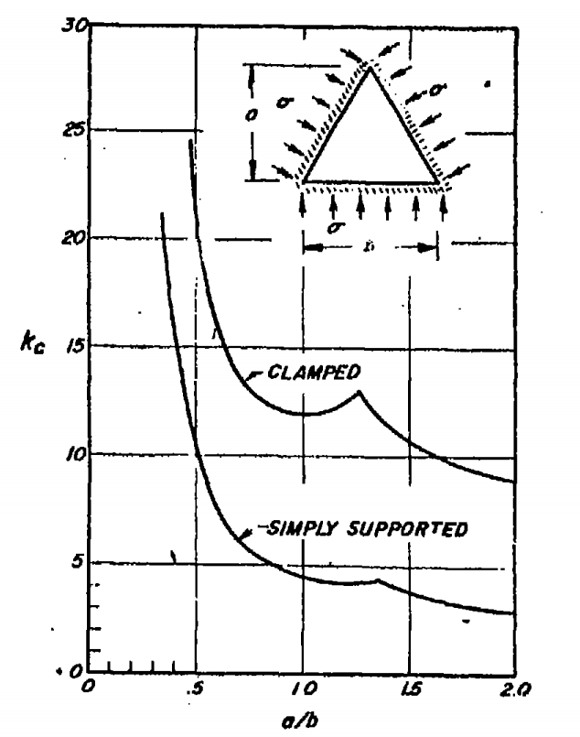
 |  |  |  |  |  |  |  |  |  |  |  |  |  |  |  |  | 1.70 | 8.2 | 2.7
 |  |  |  |  |  |  |  |  |  |  |  |  |  |  |  |  | 1.80 | 8.1 | 2.6
 |  |  |  |  |  |  |  |  |  |  |  |  |  |  |  |  | 1.90 | 8.0 | 2.6
 |  |  |  |  |  |  |  |  |  |  |  |  |  |  |  |  | 2.00 | 8.0 | 2.5
 |  |  |  |  |  |  |  |  |  |  |  |  |  |  |  |  | 2.10 | 7.9 | 2.5
 |  |  |  |  |  |  |  |  |  |  |  |  |  |  |  |  | 2.20 | 7.9 | 2.4
 |  |  |  |  |  |  |  |  |  |  |  |  |  |  |  |  | 2.30 | 7.8 | 2.4
 |  |  |  |  |  |  |  |  |  |  |  |  |  |  |  |  | 2.40 | 7.8 | 2.3
 |  |  |  |  |  |  |  |  |  |  |  |  |  |  |  |  | 2.50 | 7.8 | 2.3
 |  |  |  |  |  |  |  |  |  |  |  |  |  |  |  |  | 2.60 | 7.8 | 2.3
 |  |  |  |  |  |  |  |  |  |  |  |  |  |  |  |  | 2.70 | 7.7 | 2.3
Clamped Edges
 |  |  |  |  |  |  |  |  |  |  |  |  |  |  |  |  | 2.80 | 7.7 | 2.3
 |  |  |  |  |  |  |  |  |  |  |  |  |  |  |  |  | 2.90 | 7.7 | 2.2
 |  |  |  |  |  |  |  |  |  |  |  |  |  |  |  |  | 3.00 | 7.7 | 2.2
 |  |  |  |  |  |  |  |  |  |  |  |  |  |  |  |  | 3.10 | 7.7 | 2.2
 |  |  |  |  |  |  |  |  |  |  |  |  |  |  |  |  | 3.20 | 7.7 | 2.2
 |  |  |  |  |  |  |  |  |  |  |  |  |  |  |  |  | 3.30 | 7.6 | 2.2
 |  |  |  |  |  |  |  |  |  |  |  |  |  |  |  |  | 3.40 | 7.6 | 2.2
 |  |  |  |  |  |  |  |  |  |  |  |  |  |  |  |  | 3.50 | 7.6 | 2.2
 |  |  |  |  |  |  |  |  |  |  |  |  |  |  |  |  | 3.60 | 7.6 | 2.2
 |  |  |  |  |  |  |  |  |  |  |  |  |  |  |  |  | 3.70 | 7.6 | 2.1
 |  |  |  |  |  |  |  |  |  |  |  |  |  |  |  |  | 3.80 | 7.6 | 2.1
Simply Supported Edges
 |  |  |  |  |  |  |  |  |  |  |  |  |  |  |  |  | 3.90 | 7.6 | 2.1
 |  |  |  |  |  |  |  |  |  |  |  |  |  |  |  |  | 4.00 | 7.6 | 2.1
 |  |  |  |  |  |  |  |  |  |  |  |  |  |  |  |  | 4.10 | 7.6 | 2.1
 |  |  |  |  |  |  |  |  |  |  |  |  |  |  |  |  | 4.20 | 7.6 | 2.1

 |  |  | If you see errors on this spreadsheet it is because you do not have the XL-Viking Plugin, to find out more:
 |  |  | www.xl-viking.com

 |  |  |  |  |  |  |  |  |  |  |  |  |  |  |  |  |  |  |  | 1.74

