Flat Plates
Author: | R. Abbott |  | Total Report Pages: | 1 |  |  |  | Page | Title | Sub | Sub | Sub | Fig | Table | Running Counts | Total Sheet Pages: | 1
Check: |  |  | Report: | AA-SM-007-095 |  |  |  | No | No | Title | Title | Title | No | No |  | Total Title No: | 0
Date: | 20/10/2013 |  | Revision: | A |  |  |  |  |  |  |  |  |  |  |  | Total Sub No: | 0
Section Number: |  |  | Sheet Name | MATHEMATICAL DERIVATION OF SHEAR BUCKLING COEFFICIENTS FOR TRIANGULAR PANELS |  |  |  |  |  |  |  |  |  |  |  | Total Sub No: | 0
Report Title: | STANDARD SPREADSHEET METHOD |  |  |  |  |  |  |  |  |  |  |  |  |  |  | Total Sub No: | 0
Section: |  |  |  |  |  |  |  |  |  |  |  |  |  |  |  | Total Fig No: | 0
 |  |  |  |  |  |  |  |  |  |  |  |  |  |  |  | Total Table No: | 0
 |  | Author: | R. Abbott |  | Document Number: | AA-SM-007-095
 |  | Check: |  |  | Revision Level : | A |  | 1 |  |  |  |  |  |  |  |  |  | 31 | 9
 |  | Date: | 20/10/2013 |  | Page: | 1 of 1 | 1 |  |  |  |  |  |  |  |  |  |  | 4.00 | 2.00
 |  | Title: | STANDARD SPREADSHEET METHOD |  |  |  |  |  |  |  |  |  |  |  |  |  |  | 5.000 | 1.60
MATHEMATICAL DERIVATION OF SHEAR BUCKLING COEFFICIENTS FOR TRIANGULAR PANELS |  |  |  |  |  |  |  |  |  |  |  |  |  |  |  |  |  | -0.2 | -0.2

(Abbott, Richard. Analysis and Design of Composite and Metallic Flight Vehicle Structures 1st Edition, 2016)
(NACA-TN-3781, 1957)
Reasonable approximations for triangular Panel shear buckling coefficients are given by the following curves: |  |  |  |  |  |  |  |  |  |  |  |  |  |  |  |  | 0.30 | 146.9 | 88.6
Where r = a/b (height ratio) |  |  |  |  |  |  |  |  |  |  |  |  |  |  |  |  | 0.40 | 78.4 | 35.3
For a Panel simply supported on all edges: |  |  |  |  |  |  |  |  |  |  |  |  |  |  |  |  | 0.50 | 53.2 | 22.7
 |  |  |  |  |  |  |  |  |  |  |  |  |  |  |  |  | 0.60 | 42.5 | 17.7
 |  |  |  |  |  |  |  |  |  |  |  |  |  |  |  |  | 0.70 | 37.4 | 15.1
 |  |  |  |  |  |  |  |  |  |  |  |  |  |  |  |  | 0.80 | 34.8 | 13.5
 |  |  |  |  |  |  |  |  |  |  |  |  |  |  |  |  | 0.90 | 33.4 | 12.5
For a Panel clamped on all edges: |  |  |  |  |  |  |  |  |  |  |  |  |  |  |  |  | 1.00 | 32.5 | 11.9
 |  |  |  |  |  |  |  |  |  |  |  |  |  |  |  |  | 1.10 | 32.0 | 11.4
 |  |  |  |  |  |  |  |  |  |  |  |  |  |  |  |  | 1.20 | 31.7 | 11.0
 |  |  |  |  |  |  |  |  |  |  |  |  |  |  |  |  | 1.30 | 31.5 | 10.7
 |  |  |  |  |  |  |  |  |  |  |  |  |  |  |  |  | 1.40 | 31.4 | 10.5
 |  |  |  |  |  |  |  |  |  |  |  |  |  |  |  |  | 1.50 | 31.3 | 10.3
SS
These curves are plotted over the reference curves below: |  |  |  |  |  |  |  |  |  |  |  |  |  |  |  |  | 1.60 | 31.2 | 10.2
 |  |  |  |  |  |  |  |  |  |  |  |  |  |  |  |  | 1.70 | 31.2 | 10.0
 |  |  |  |  |  |  |  |  |  |  |  |  |  |  |  |  | 1.80 | 31.1 | 9.9
 |  |  |  |  |  |  |  |  |  |  |  |  |  |  |  |  | 1.90 | 31.1 | 9.9
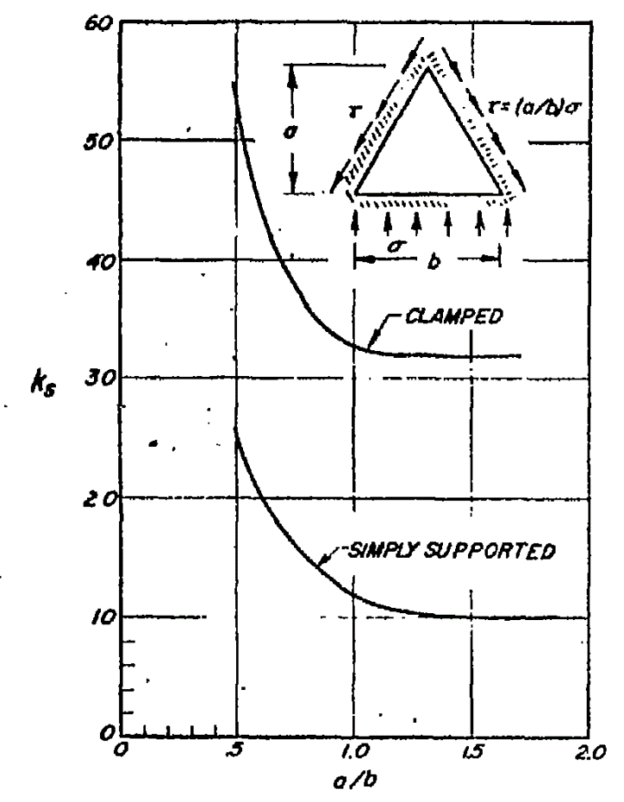
 |  |  |  |  |  |  |  |  |  |  |  |  |  |  |  |  | 2.00 | 31.1 | 9.8
 |  |  |  |  |  |  |  |  |  |  |  |  |  |  |  |  | 2.10 | 31.1 | 9.7
 |  |  |  |  |  |  |  |  |  |  |  |  |  |  |  |  | 2.20 | 31.0 | 9.7
 |  |  |  |  |  |  |  |  |  |  |  |  |  |  |  |  | 2.30 | 31.0 | 9.6
 |  |  |  |  |  |  |  |  |  |  |  |  |  |  |  |  | 2.40 | 31.0 | 9.6
 |  |  |  |  |  |  |  |  |  |  |  |  |  |  |  |  | 2.50 | 31.0 | 9.5
 |  |  |  |  |  |  |  |  |  |  |  |  |  |  |  |  | 2.60 | 31.0 | 9.5
Clamped Edges
 |  |  |  |  |  |  |  |  |  |  |  |  |  |  |  |  | 2.70 | 31.0 | 9.5
 |  |  |  |  |  |  |  |  |  |  |  |  |  |  |  |  | 2.80 | 31.0 | 9.4
 |  |  |  |  |  |  |  |  |  |  |  |  |  |  |  |  | 2.90 | 31.0 | 9.4
 |  |  |  |  |  |  |  |  |  |  |  |  |  |  |  |  | 3.00 | 31.0 | 9.4
 |  |  |  |  |  |  |  |  |  |  |  |  |  |  |  |  | 3.10 | 31.0 | 9.4
 |  |  |  |  |  |  |  |  |  |  |  |  |  |  |  |  | 3.20 | 31.0 | 9.3
 |  |  |  |  |  |  |  |  |  |  |  |  |  |  |  |  | 3.30 | 31.0 | 9.3
 |  |  |  |  |  |  |  |  |  |  |  |  |  |  |  |  | 3.40 | 31.0 | 9.3
 |  |  |  |  |  |  |  |  |  |  |  |  |  |  |  |  | 3.50 | 31.0 | 9.3
 |  |  |  |  |  |  |  |  |  |  |  |  |  |  |  |  | 3.60 | 31.0 | 9.3
 |  |  |  |  |  |  |  |  |  |  |  |  |  |  |  |  | 3.70 | 31.0 | 9.3
 |  |  |  |  |  |  |  |  |  |  |  |  |  |  |  |  | 3.80 | 31.0 | 9.3
Simply Supported Edges
 |  |  |  |  |  |  |  |  |  |  |  |  |  |  |  |  | 3.90 | 31.0 | 9.2
 |  |  |  |  |  |  |  |  |  |  |  |  |  |  |  |  | 4.00 | 31.0 | 9.2
 |  |  |  |  |  |  |  |  |  |  |  |  |  |  |  |  | 4.10 | 31.0 | 9.2
 |  |  |  |  |  |  |  |  |  |  |  |  |  |  |  |  | 4.20 | 31.0 | 9.2

 |  |  | If you see errors on this spreadsheet it is because you do not have the XL-Viking Plugin, to find out more:
 |  |  | www.xl-viking.com

 |  |  |  |  |  |  |  |  |  |  |  |  |  |  |  |  |  |  |  | 1.74

