COMPARISON AND DERIVATION
a
b
t
Author: | R. Abbott |  | Total Report Pages: | 1 |  |  |  | Page | Title | Sub | Sub | Sub | Fig | Table | Running Counts | Total Sheet Pages: | 1
Check: |  |  | Report: | AA-SM-007-094 |  |  |  | No | No | Title | Title | Title | No | No |  | Total Title No: | 0
Date: | 20/10/2013 |  | Revision: | A |  |  |  |  |  |  |  |  |  |  |  | Total Sub No: | 0
Section Number: |  |  | Sheet Name | MATHEMATICAL DERIVATION OF BENDING BUCKLING COEFFICIENTS |  |  |  |  |  |  |  |  |  |  |  | Total Sub No: | 0
Report Title: | STANDARD SPREADSHEET METHOD |  |  |  |  |  |  |  |  |  |  |  |  |  |  | Total Sub No: | 0
Section: |  |  |  |  |  |  |  |  |  |  |  |  |  |  |  | Total Fig No: | 0
 |  |  |  |  |  |  |  |  |  |  |  |  |  |  |  | Total Table No: | 0
 |  | Author: | R. Abbott |  | Document Number: | AA-SM-007-094
 |  | Check: |  |  | Revision Level : | A |  | 1
 |  | Date: | 20/10/2013 |  | Page: | 1 of 1 | 1
k =${\left(\frac{λ}{r}+\frac{r}{λ}\right)}^{2}$
 |  | Title: | STANDARD SPREADSHEET METHOD
MATHEMATICAL DERIVATION OF BENDING BUCKLING COEFFICIENTS
(Abbott, Richard. Analysis and Design of Composite and Metallic Flight Vehicle Structures 1st Edition, 2016)
(NACA-TN-3781, 1957) |  |  |  |  |  |  |  |  |  |  |  |  |  |  |  |  |  |  | a/b |  |  | b | 0.33
The curve for the bending buckling coefficient for a simply supported Panel is approximated by the following expression: |  |  |  |  |  |  |  |  |  |  |  |  |  |  |  |  |  |  | 0.00 |  |  |  | 0.5
 |  |  |  |  |  |  |  |  |  |  |  |  |  |  |  |  |  | 24 | 3.00 | 41.8 | 0.3 | 3.00 | 51.105336161
 |  |  |  |  |  |  |  |  |  |  |  |  |  |  |  |  |  | 0.175 | 3.10 | 39.4 | 0.3 | 3.10 | 49.412654926
 |  |  |  |  |  |  |  |  |  |  |  |  |  |  |  |  |  | 3 | 3.20 | 37.4 | 0.3 | 3.20 | 47.876169495
 |  |  |  |  |  |  |  |  |  |  |  |  |  |  |  |  |  | 0.05 | 3.30 | 35.7 | 0.3 | 3.30 | 46.477236988
 |  |  |  |  |  |  |  |  |  |  |  |  |  |  |  |  |  | -2 | 3.40 | 34.2 | 0.3 | 3.40 | 45.199915169
 |  |  |  |  |  |  |  |  |  |  |  |  |  |  |  |  |  |  | 3.50 | 33.0 | 0.3 | 3.50 | 44.030506229
 |  |  |  |  |  |  |  |  |  |  |  |  |  |  |  |  |  |  | 3.60 | 31.9 | 0.3 | 3.60 | 42.957188013
This plotted on the graph below |  |  |  |  |  |  |  |  |  |  |  |  |  |  |  |  |  |  | 3.70 | 30.9 | 0.3 | 3.70 | 41.969714053
 |  |  |  |  |  |  |  |  |  |  |  |  |  |  |  |  |  |  | 3.80 | 30.1 | 0.3 | 3.80 | 41.059168109
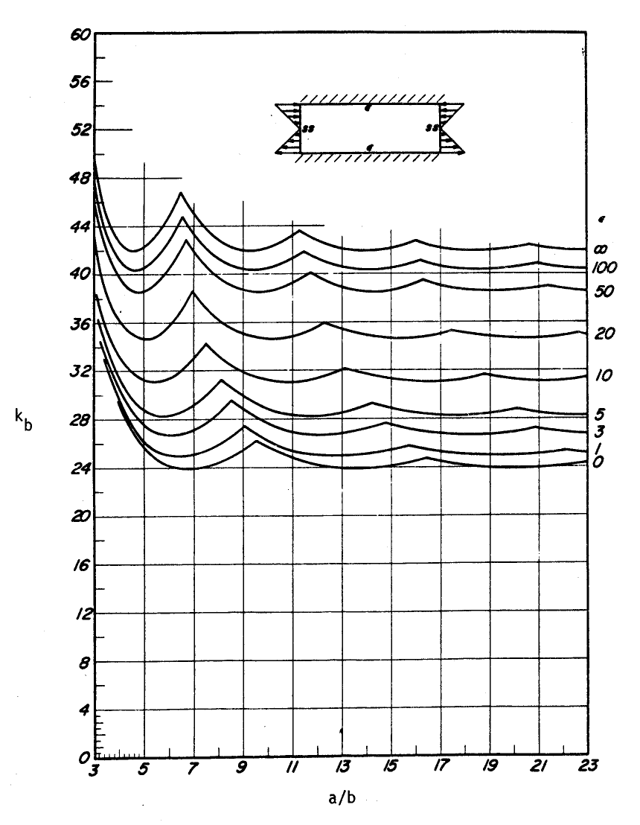
3.00 | 41.8
3.10 | 39.4
3.20 | 37.4
3.30 | 35.7
3.40 | 34.2
3.50 | 33.0
3.60 | 31.9
3.70 | 30.9
3.80 | 30.1
3.90 | 29.4
4.00 | 28.7
4.10 | 28.2
4.20 | 27.7
4.30 | 27.3
4.40 | 26.9
4.50 | 26.6
4.60 | 26.3
4.70 | 26.0
4.80 | 25.8
4.90 | 25.6
5.00 | 25.4
5.10 | 25.2
5.20 | 25.1
5.30 | 25.0
5.40 | 24.9
5.50 | 24.8
5.60 | 24.7
6.00 | 24.4
6.40 | 24.2
6.80 | 24.1
7.20 | 24.1
7.60 | 24.0
8.60 | 24.0
9.60 | 24.0
10.60 | 24.0
11.60 | 24.0
15.00 | 23.9
18.40 | 23.9
21.80 | 23.8
25.20 | 23.7
28.60 | 23.6
 |  |  |  |  |  |  |  |  |  |  |  |  |  |  |  |  |  |  | 3.90 | 29.4 | 0.3 | 3.90 | 40.217762197
 |  |  |  |  |  |  |  |  |  |  |  |  |  |  |  |  |  |  | 4.00 | 28.7 | 0.3 | 4.00 | 39.438669495
 |  |  |  |  |  |  |  |  |  |  |  |  |  |  |  |  |  |  | 4.10 | 28.2 | 0.2 | 4.10 | 38.715885437
 |  |  |  |  |  |  |  |  |  |  |  |  |  |  |  |  |  |  | 4.20 | 27.7 | 0.2 | 4.20 | 38.044111671
 |  |  |  |  |  |  |  |  |  |  |  |  |  |  |  |  |  |  | 4.30 | 27.3 | 0.2 | 4.30 | 37.418658678
 |  |  |  |  |  |  |  |  |  |  |  |  |  |  |  |  |  |  | 4.40 | 26.9 | 0.2 | 4.40 | 36.835363709
 |  |  |  |  |  |  |  |  |  |  |  |  |  |  |  |  |  |  | 4.50 | 26.6 | 0.2 | 4.50 | 36.290521346
 |  |  |  |  |  |  |  |  |  |  |  |  |  |  |  |  |  |  | 4.60 | 26.3 | 0.2 | 4.60 | 35.780824504
 |  |  |  |  |  |  |  |  |  |  |  |  |  |  |  |  |  |  | 4.70 | 26.0 | 0.2 | 4.70 | 35.30331413
 |  |  |  |  |  |  |  |  |  |  |  |  |  |  |  |  |  |  | 4.80 | 25.8 | 0.2 | 4.80 | 34.855336161
 |  |  |  |  |  |  |  |  |  |  |  |  |  |  |  |  |  |  | 4.90 | 25.6 | 0.2 | 4.90 | 34.434504563
 |  |  |  |  |  |  |  |  |  |  |  |  |  |  |  |  |  |  | 5.00 | 25.4 | 0.2 | 5.00 | 34.038669495
 |  |  |  |  |  |  |  |  |  |  |  |  |  |  |  |  |  |  | 5.10 | 25.2 | 0.2 | 5.10 | 33.665889794
 |  |  |  |  |  |  |  |  |  |  |  |  |  |  |  |  |  |  | 5.20 | 25.1 | 0.2 | 5.20 | 33.31440914
 |  |  |  |  |  |  |  |  |  |  |  |  |  |  |  |  |  |  | 5.30 | 25.0 | 0.2 | 5.30 | 32.982635319
 |  |  |  |  |  |  |  |  |  |  |  |  |  |  |  |  |  |  | 5.40 | 24.9 | 0.2 | 5.40 | 32.669122169
 |  |  |  |  |  |  |  |  |  |  |  |  |  |  |  |  |  |  | 5.50 | 24.8 | 0.2 | 5.50 | 32.372553792
 |  |  |  |  |  |  |  |  |  |  |  |  |  |  |  |  |  |  | 5.60 | 24.7 | 0.2 | 5.60 | 32.091730719
 |  |  |  |  |  |  |  |  |  |  |  |  |  |  |  |  |  |  | 6.00 | 24.4 | 0.2 | 6.00 | 31.105336161
 |  |  |  |  |  |  |  |  |  |  |  |  |  |  |  |  |  |  | 6.40 | 24.2 | 0.2 | 6.40 | 30.298044495
 |  |  |  |  |  |  |  |  |  |  |  |  |  |  |  |  |  |  | 6.80 | 24.1 | 0.1 | 6.80 | 29.628980913
 |  |  |  |  |  |  |  |  |  |  |  |  |  |  |  |  |  |  | 7.20 | 24.1 | 0.1 | 7.20 | 29.068299124
 |  |  |  |  |  |  |  |  |  |  |  |  |  |  |  |  |  |  | 7.60 | 24.0 | 0.1 | 7.60 | 28.593794148
 |  |  |  |  |  |  |  |  |  |  |  |  |  |  |  |  |  |  | 8.60 | 24.0 | 0.1 | 8.60 | 27.68366679
 |  |  |  |  |  |  |  |  |  |  |  |  |  |  |  |  |  |  | 9.60 | 24.0 | 0.1 | 9.60 | 27.042836161
 |  |  |  |  |  |  |  |  |  |  |  |  |  |  |  |  |  |  | 10.60 | 24.0 | 0.1 | 10.60 | 26.574660951
 |  |  |  |  |  |  |  |  |  |  |  |  |  |  |  |  |  |  | 11.60 | 24.0 | 0.1 | 11.60 | 26.222260458
 |  |  |  |  |  |  |  |  |  |  |  |  |  |  |  |  |  |  | 15.00 | 23.9 | 0.1 | 15.00 | 25.505336161
 |  |  |  |  |  |  |  |  |  |  |  |  |  |  |  |  |  |  | 18.40 | 23.9 | 0.1 | 18.40 | 25.147554183
 |  |  |  |  |  |  |  |  |  |  |  |  |  |  |  |  |  |  | 21.80 | 23.8 | 0.0 | 21.80 | 24.94367749
 |  |  |  |  |  |  |  |  |  |  |  |  |  |  |  |  |  |  | 25.20 | 23.7 | 0.0 | 25.20 | 24.816598444
 |  |  |  |  |  |  |  |  |  |  |  |  |  |  |  |  |  |  | 28.60 | 23.6 | 0.0 | 28.60 | 24.732082375

 |  |  | If you see errors on this spreadsheet it is because you do not have the XL-Viking Plugin, to find out more:
 |  |  | www.xl-viking.com

