Flat Plates
Author: | R. Abbott |  | Total Report Pages: | 1 |  |  |  | Page | Title | Sub | Sub | Sub | Fig | Table | Running Counts | Total Sheet Pages: | 1
Check: |  |  | Report: | AA-SM-007-091 |  |  |  | No | No | Title | Title | Title | No | No |  | Total Title No: | 0
Date: | 20/10/2013 |  | Revision: | IR |  |  |  |  |  |  |  |  |  |  |  | Total Sub No: | 0
Section Number: |  |  | Sheet Name | MATHEMATICAL DERIVATION OF SHEAR BUCKLING COEFFICIENTS |  |  |  |  |  |  |  |  |  |  |  | Total Sub No: | 0
Report Title: | STANDARD SPREADSHEET METHOD |  |  |  |  |  |  |  |  |  |  |  |  |  |  | Total Sub No: | 0
Section: |  |  |  |  |  |  |  |  |  |  |  |  |  |  |  | Total Fig No: | 0
 |  |  |  |  |  |  |  |  |  |  |  |  |  |  |  | Total Table No: | 0
 |  | Author: | R. Abbott |  | Document Number: | AA-SM-007-091
 |  | Check: |  |  | Revision Level : | IR |  | 1
 |  | Date: | 20/10/2013 |  | Page: | 1 of 1 | 1
 |  | Title: | STANDARD SPREADSHEET METHOD
MATHEMATICAL DERIVATION OF SHEAR BUCKLING COEFFICIENTS

Reasonable approximations for Panel shear buckling coefficients are given by the following curves:
Where r = a/b (panel aspect ratio) |  |  |  |  |  |  |  |  |  |  |  |  |  |  |  |  | 1.00 | 14.6 | 12.6 | 12.6 | 9.3
 |  |  |  |  |  |  |  |  |  |  |  |  |  |  |  |  | 1.05 | 14.1 | 12.3 | 11.7 | 9.0
For a Panel simply supported on four edges: |  |  |  |  |  |  |  |  |  |  |  |  |  |  |  |  | 1.10 | 13.6 | 12.1 | 10.9 | 8.6
 |  |  |  |  |  |  |  |  |  |  |  |  |  |  |  |  | 1.15 | 13.2 | 11.9 | 10.3 | 8.4
 |  |  |  |  |  |  |  |  |  |  |  |  |  |  |  |  | 1.20 | 12.9 | 11.7 | 9.7 | 8.1
 |  |  |  |  |  |  |  |  |  |  |  |  |  |  |  |  | 1.25 | 12.6 | 11.6 | 9.3 | 7.9
For a Panel clamped on four edges: |  |  |  |  |  |  |  |  |  |  |  |  |  |  |  |  | 1.30 | 12.3 | 11.4 | 8.9 | 7.7
 |  |  |  |  |  |  |  |  |  |  |  |  |  |  |  |  | 1.35 | 12.1 | 11.2 | 8.6 | 7.5
 |  |  |  |  |  |  |  |  |  |  |  |  |  |  |  |  | 1.40 | 11.8 | 11.1 | 8.3 | 7.4
 |  |  |  |  |  |  |  |  |  |  |  |  |  |  |  |  | 1.45 | 11.6 | 11.0 | 8.0 | 7.2
For a Panel clamped on the long edges and simply supported on short edges: |  |  |  |  |  |  |  |  |  |  |  |  |  |  |  |  | 1.50 | 11.5 | 10.9 | 7.8 | 7.1
 |  |  |  |  |  |  |  |  |  |  |  |  |  |  |  |  | 1.55 | 11.3 | 10.8 | 7.7 | 7.0
 |  |  |  |  |  |  |  |  |  |  |  |  |  |  |  |  | 1.60 | 11.2 | 10.7 | 7.5 | 6.9
SS
 |  |  |  |  |  |  |  |  |  |  |  |  |  |  |  |  | 1.65 | 11.0 | 10.6 | 7.3 | 6.8
For a Panel clamped on the short edges and simply supported on long edges: |  |  |  |  |  |  |  |  |  |  |  |  |  |  |  |  | 1.70 | 10.9 | 10.5 | 7.2 | 6.7
 |  |  |  |  |  |  |  |  |  |  |  |  |  |  |  |  | 1.75 | 10.8 | 10.4 | 7.1 | 6.6
 |  |  |  |  |  |  |  |  |  |  |  |  |  |  |  |  | 1.80 | 10.7 | 10.4 | 7.0 | 6.6
 |  |  |  |  |  |  |  |  |  |  |  |  |  |  |  |  | 1.85 | 10.6 | 10.3 | 6.9 | 6.5
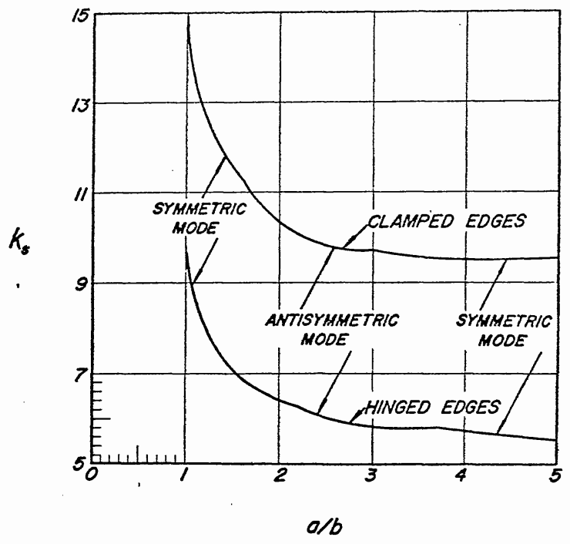
Simply Supported 4 Edges
Clamped 4 Edges
Long Edges Clamped,
Short Edges Simply Supported
Sort Edges Clamped,
Long Edges Simply Supported
 |  |  |  |  |  |  |  |  |  |  |  |  |  |  |  |  | 1.90 | 10.5 | 10.2 | 6.8 | 6.4
 |  |  |  |  |  |  |  |  |  |  |  |  |  |  |  |  | 1.95 | 10.5 | 10.2 | 6.8 | 6.4
 |  |  |  |  |  |  |  |  |  |  |  |  |  |  |  |  | 2.00 | 10.4 | 10.1 | 6.7 | 6.3
 |  |  |  |  |  |  |  |  |  |  |  |  |  |  |  |  | 2.20 | 10.1 | 10.0 | 6.5 | 6.2
 |  |  |  |  |  |  |  |  |  |  |  |  |  |  |  |  | 2.40 | 10.0 | 9.8 | 6.3 | 6.0
 |  |  |  |  |  |  |  |  |  |  |  |  |  |  |  |  | 2.60 | 9.8 | 9.7 | 6.2 | 5.9
 |  |  |  |  |  |  |  |  |  |  |  |  |  |  |  |  | 2.80 | 9.7 | 9.6 | 6.1 | 5.9
 |  |  |  |  |  |  |  |  |  |  |  |  |  |  |  |  | 3.00 | 9.6 | 9.5 | 6.0 | 5.8
 |  |  |  |  |  |  |  |  |  |  |  |  |  |  |  |  | 3.20 | 9.5 | 9.5 | 6.0 | 5.7
 |  |  |  |  |  |  |  |  |  |  |  |  |  |  |  |  | 3.40 | 9.5 | 9.4 | 5.9 | 5.7
 |  |  |  |  |  |  |  |  |  |  |  |  |  |  |  |  | 3.60 | 9.4 | 9.4 | 5.9 | 5.6
 |  |  |  |  |  |  |  |  |  |  |  |  |  |  |  |  | 3.80 | 9.4 | 9.3 | 5.9 | 5.6
 |  |  |  |  |  |  |  |  |  |  |  |  |  |  |  |  | 4.00 | 9.3 | 9.3 | 5.8 | 5.6
 |  |  |  |  |  |  |  |  |  |  |  |  |  |  |  |  | 4.20 | 9.3 | 9.3 | 5.8 | 5.6
 |  |  |  |  |  |  |  |  |  |  |  |  |  |  |  |  | 4.40 | 9.3 | 9.2 | 5.8 | 5.5
 |  |  |  |  |  |  |  |  |  |  |  |  |  |  |  |  | 4.60 | 9.2 | 9.2 | 5.8 | 5.5
 |  |  |  |  |  |  |  |  |  |  |  |  |  |  |  |  | 4.80 | 9.2 | 9.2 | 5.7 | 5.5
 |  |  |  |  |  |  |  |  |  |  |  |  |  |  |  |  | 5.00 | 9.2 | 9.2 | 5.7 | 5.5
 |  |  |  |  |  |  |  |  |  |  |  |  |  |  |  |  | 5.20 | 9.2 | 9.2 | 5.7 | 5.5
 |  |  |  |  |  |  |  |  |  |  |  |  |  |  |  |  | 5.40 | 9.2 | 9.2 | 5.7 | 5.5
 |  |  |  |  |  |  |  |  |  |  |  |  |  |  |  |  | 5.60 | 9.2 | 9.1 | 5.7 | 5.5
 |  |  |  |  |  |  |  |  |  |  |  |  |  |  |  |  | 5.80 | 9.1 | 9.1 | 5.7 | 5.5

 |  |  | If you see errors on this spreadsheet it is because you do not have the XL-Viking Plugin, to find out more:
 |  |  | www.xl-viking.com

 |  |  |  |  |  |  |  |  |  |  |  |  |  |  |  |  |  |  |  |  |  | 1.74

