Analysis
Author: | R. Abbott |  |  | Total Report Pages: | 1 |  |  |  | Page | Title | Sub | Sub | Sub | Fig | Table | Running Counts |  | Total Sheet Pages: | 1
Check: |  |  |  | Report: | AA-SM-007-065 |  |  |  | No | No | Title | Title | Title | No | No |  |  | Total Title No: | 0
Date: | 20/10/2013 |  |  | Revision: | A |  |  |  |  |  |  |  |  |  |  |  |  | Total Sub No: | 0
Section Number: |  |  |  | Sheet Name | ESTIMATION OF PANEL BUCKLING WAVELENGTHS |  |  |  |  |  |  |  |  |  |  |  |  | Total Sub No: | 0
Report Title: | STANDARD SPREADSHEET METHOD |  |  |  |  |  |  |  |  |  |  |  |  |  |  |  |  | Total Sub No: | 0
Section: |  |  |  |  |  |  |  |  |  |  |  |  |  |  |  |  |  | Total Fig No: | 0
 |  |  |  |  |  |  |  |  |  |  |  |  |  |  |  |  |  | Total Table No: | 0
 |  |  | Author: | R. Abbott |  | Document Number: | AA-SM-007-065
 |  |  | Check: |  |  | Revision Level : | A |  | 1
 |  |  | Date: | 20/10/2013 |  | Page: | 1 of 1 | 1
 |  |  | Title: | STANDARD SPREADSHEET METHOD
ESTIMATION OF PANEL BUCKLING WAVELENGTHS
(Abbott, Richard. Analysis and Design of Composite and Metallic Flight Vehicle Structures 1st Edition, 2016)

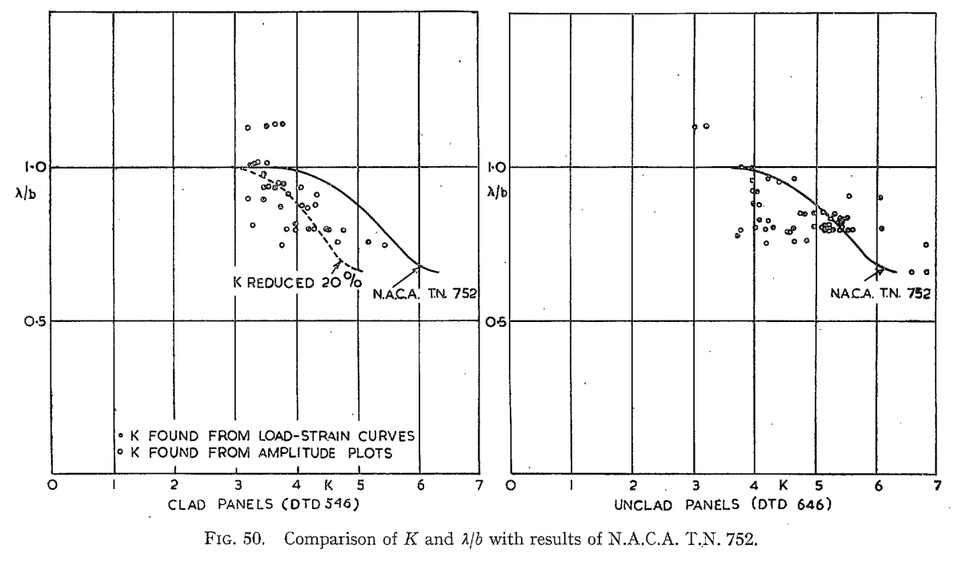
3.5 | 1.000
4.0 | 0.990
4.5 | 0.950
5.0 | 0.880
5.5 | 0.780
6.0 | 0.680
6.5 | 0.640
λ = Buckle Half Wavelength
b = Shortest Panel Edge (Shear), Loaded Edge (Compression & Bending)

Shear Buckle Half Wavelength Estimation
(NACA-TN-2536, 1951)
Note that the half wavelength is measured in the panel axial direction and NOT perpendicular to the 45-degree buckle.

λ / b = | 1.2 | For all Edge Conditions
 |  |  |  |  |  |  |  |  |  |  |  |  |  |  |  |  | 3.5 | 1.000
Compression Half Buckle Wavelength Estimation |  |  |  |  |  |  |  |  |  |  |  |  |  |  |  |  | 4.0 | 0.990
(ARC-RM-2652, 1953) |  |  |  |  |  |  |  |  |  |  |  |  |  |  |  |  | 4.5 | 0.950
(NACA-TN-752,1940) |  |  |  |  |  |  |  |  |  |  |  |  |  |  |  |  | 5.0 | 0.880
 |  |  |  |  |  |  |  |  |  |  |  |  |  |  |  |  | 5.5 | 0.780
K = | 5.2 |  |  |  |  |  |  |  |  |  |  |  |  |  |  |  | 6.0 | 0.680
λ / b = | 0.81 |  |  |  |  |  |  |  |  |  |  |  |  |  |  |  | 6.5 | 0.640

Bending Buckle Half Wavelength Estimation |  |  |  |  |  |  |  |  |  |  |  |  |  |  |  |  | y = 0.0145x4 - 0.2642x3 + 1.7227x2 - 4.8621x + 6.0608
(NACA-TN-2536, 1951)

K = | 5.2
λ / b = | 1.14

 |  |  |  |  |  |  |  |  |  |  |  |  |  |  |  |  | Kb | λ / b
 |  |  |  |  |  |  |  |  |  |  |  |  |  |  |  |  | 23.9 | 0.7 |  | 0.0 | 1.2
 |  |  |  |  |  |  |  |  |  |  |  |  |  |  |  |  | 22.8 | 0.8 |  | 0.0 | 1.2
 |  |  |  |  |  |  |  |  |  |  |  |  |  |  |  |  | 18.4 | 0.9 |  | 9.6 | 1.1
 |  |  |  |  |  |  |  |  |  |  |  |  |  |  |  |  | 9.6 | 1.1 |  | 18.4 | 0.9
 |  |  |  |  |  |  |  |  |  |  |  |  |  |  |  |  | 0.0 | 1.2 |  | 20.0 | 1.1
 |  |  |  |  |  |  |  |  |  |  |  |  |  |  |  |  |  |  |  | 22.8 | 0.8
 |  |  |  |  |  |  |  |  |  |  |  |  |  |  |  |  | Kb | λ / b |  | 23.9 | 0.7
 |  |  |  |  |  |  |  |  |  |  |  |  |  |  |  |  | 40.0 | 0.5 |  | 36.5 | 0.6
 |  |  |  |  |  |  |  |  |  |  |  |  |  |  |  |  | 36.5 | 0.6 |  | 40.0 | 0.5
 |  |  |  |  |  |  |  |  |  |  |  |  |  |  |  |  | 20.0 | 1.1
 |  |  |  |  |  |  |  |  |  |  |  |  |  |  |  |  | 0.0 | 1.2

To display formula values or variables using the xln & xlv functions, you need the XL-Viking add-in.
The free version is available here: www.XL-Viking.com

