Analysis
Author: | R. Abbott |  |  | Total Report Pages: | 1 |  |  |  |  |  | Page | Title | Sub | Sub | Sub | Fig | Table | Running Counts | Total Sheet Pages: | 1
Check: |  |  |  | Report: | AA-SM-007-011 |  |  |  |  |  | No | No | Title | Title | Title | No | No |  | Total Title No: | 0
Date: | 20/10/2013 |  |  | Revision: | A |  |  |  |  |  |  |  |  |  |  |  |  |  | Total Sub No: | 0
Section Number: |  |  |  | Sheet Name | COLLAPSE OF SHEAR WEB WITH HOLES |  |  |  |  |  |  |  |  |  |  |  |  |  | Total Sub No: | 0
Report Title: | STANDARD SPREADSHEET METHOD |  |  |  |  |  |  |  |  |  |  |  |  |  |  |  |  |  | Total Sub No: | 0
Section: |  |  |  |  |  |  |  |  |  |  |  |  |  |  |  |  |  |  | Total Fig No: | 0
 |  |  |  |  |  |  |  |  |  |  |  |  |  |  |  |  |  |  | Total Table No: | 0
 |  |  | Author: | R. Abbott |  |  | Document Number: | AA-SM-007-011
 |  |  | Check: |  |  |  | Revision Level : | A |  |  | 1
 |  |  | Date: | 20/10/2013 |  |  | Page: | 1 of 1 |  | 1
 |  |  | Title: | STANDARD SPREADSHEET METHOD
COLLAPSE OF SHEAR WEB WITH HOLES
(Abbott, Richard. Analysis and Design of Composite and Metallic Flight Vehicle Structures 1st Edition, 2016)
(NACA-WR-L-323, 1942)
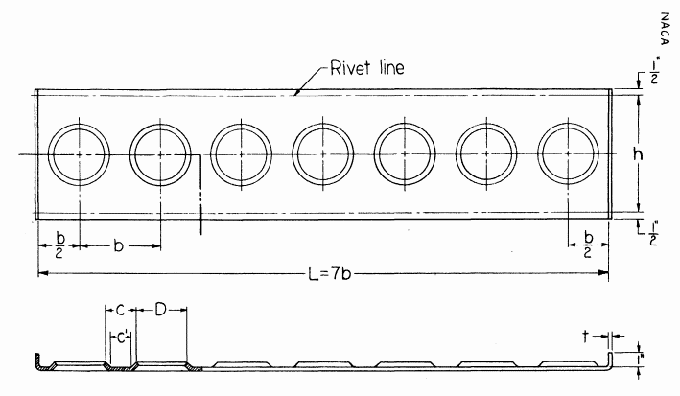
 |  |  |  |  | h = | 2.15 | in |  |  |  |  |  |  |  |  |  |  |  |  |  | Stress
 |  |  |  |  | D = | 1.2 | in |  |  |  |  |  |  |  |  |  |  |  |  |  | 0 | 37200 | 36920 | 1.01
 |  |  |  |  | B = | 0.00 | in |  |  |  |  |  |  |  |  |  |  |  |  |  | 20 | 31200 | 31340 | 1.00
 |  |  |  |  | c = | 3.40 | in |  |  |  |  |  |  |  |  |  |  |  |  |  | 40 | 25500 | 25760 | 0.99
 |  |  |  |  | c' = | 3.40 | in |  |  |  |  |  |  |  |  |  |  |  |  |  | 60 | 20000 | 20180 | 0.99
 |  |  |  |  | b = | 4.60 | in |  |  |  |  |  |  |  |  |  |  |  |  |  | 80 | 14900 | 14626 | 1.02
 |  |  |  |  | A = | 0.080 | in |  |  |  |  |  |  |  |  |  |  |  |  |  | 100 | 11600 | 11963 | 0.97
 |  |  |  |  | t = | 0.080 | in |  |  |  |  |  |  |  |  |  |  |  |  |  | 120 | 9700 | 9838 | 0.99
 |  |  |  |  |  |  |  |  |  |  |  |  |  |  |  |  |  |  |  |  | 140 | 8200 | 8176 | 1.00
 |  |  |  |  | τ = | 18000 | psi |  |  |  |  |  |  |  |  |  |  |  |  |  | 160 | 7050 | 6904 | 1.02
 |  |  |  |  |  |  |  |  |  |  |  |  |  |  |  |  |  |  |  |  | 180 | 6100 | 5949 | 1.03
c/t = | 3.4 / 0.08 |  |  |  |  |  |  |  |  |  |  |  |  |  |  |  |  |  |  |  | 200 | 5300 | 5238 | 1.01
 | 42.50 |  |  |  |  |  |  |  |  |  |  |  |  |  |  |  |  |  |  |  | 220 | 4700 | 4697 | 1.00
 |  |  |  |  |  |  |  |  |  |  |  |  |  |  |  |  |  |  |  |  | 240 | 4150 | 4253 | 0.98
h/t = | 2.15 / 0.08 |  |  |  |  |  |  |  |  |  |  |  |  |  |  |  |  |  |  |  | 260 | 3750 | 3832 | 0.98
 | 26.88 |  |  |  |  |  |  |  |  |  |  |  |  |  |  |  |  |  |  |  | 280 | 3250 | 3360 | 0.97
 |  |  |  |  |  |  |  |  |  |  |  |  |  |  |  |  |  |  |  |  | 300 | 2900 | 2765 | 1.05
fsh = | 29422 | psi |  |  |  |  |  |  |  |  |  |  |  |  |  |  |  |  |  |  | 320
fsc = | 25063 | psi

Calculation of allowable 'collapse' shear flow due to the presence of flanged lightening holes
Allowable Shear Flow:

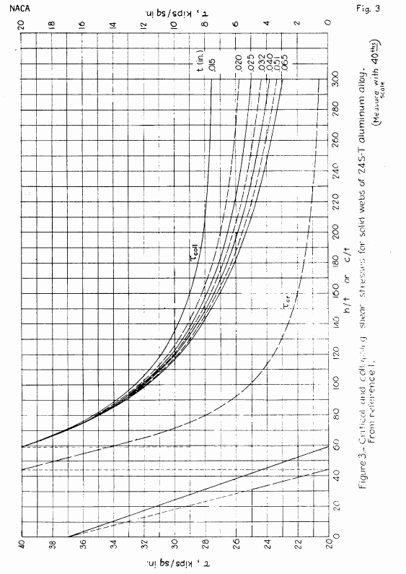

= | (fsh × (1 - (D / h)²) + fsc × √[D / h]) × (c' / b) |  |  |  |  |  |  |  |  |  |  |  |  |  |  |  |  |  |  |  |  | -279x + 36920
= | (29422 × (1 - (1.2 / 2.15)²) + 25062 × √[1.2 / 2.15]) × (3.4 / 4.6) |  |  |  |  |  |  |  |  |  |  |  |  |  |  |  |  |  |  |  |  | -0.0015297x3 + 1.1304321x2 - 299.3019481x + 32,118.9810190
= | 28811.5 | psi
 |  |  |  |  |  |  |  | M.S. = 28811 / 18000 - 1 = | 0.60

 |  |  |  | If you see errors on this spreadsheet it is because you do not have the XL-Viking Plugin, to find out more:
 |  |  |  | www.xl-viking.com

