Stress
Author: | R. Abbott |  |  | Total Report Pages: | 1 |  |  |  |  | Page | Title | Sub | Sub | Sub | Fig | Table | Running Counts | Total Sheet Pages: | 1
Check: |  |  |  | Report: | AA-SM-005-004 |  |  |  |  | No | No | Title | Title | Title | No | No |  | Total Title No: | 0
Date: | 20/10/2013 |  |  | Revision: | IR |  |  |  |  |  |  |  |  |  |  |  |  | Total Sub No: | 0
Section Number: |  |  |  | Sheet Name | BOLT THREAD PULL THROUGH |  |  |  |  |  |  |  |  |  |  |  |  | Total Sub No: | 0
Report Title: | STANDARD SPREADSHEET METHOD |  |  |  |  |  |  |  |  |  |  |  |  |  |  |  |  | Total Sub No: | 0
Section: |  |  |  |  |  |  |  |  |  |  |  |  |  |  |  |  |  | Total Fig No: | 0
 |  |  |  |  |  |  |  |  |  |  |  |  |  |  |  |  |  | Total Table No: | 0
 |  |  | Author: | R. Abbott |  | Document Number: | AA-SM-005-004
 |  |  | Check: |  |  | Revision Level : | IR |  |  | 1
 |  |  | Date: | 20/10/2013 |  | Page: | 1 of 1 |  | 1
 |  |  | Title: | STANDARD SPREADSHEET METHOD
BOLT THREAD PULL THROUGH
(NASA-RP-1228, 1990)

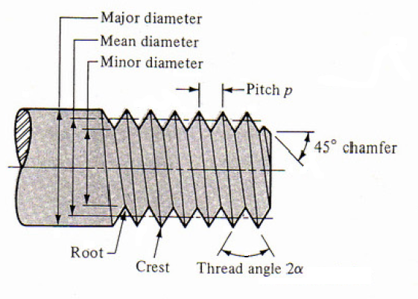

In many cases a bolt of one material may be installed in a tapped hole in a different
(and frequently lower strength) material. If the full strength of the bolt is required, the
depth of the tapped hole must be determined for the weaker material by using the
following formula:

 | PTALL = | h π dM FS L

h is an empirical factor used to allow for mismatch between the threads. If the threads
were perfectly mated, this factor would be 1/2, since the total cyllindrical shell area of
the hole would be split equally between the bolt threads and the tapped hole threads.

 | PT = | 9100 | lb | Applied Fastener Pull-Out Load

 | h = | 0.33333333333 |  | Threads Mismatch Factor
 | dM = | 0.50 | in | Mean Diameter of the Threaded hole
 | L = | 0.3 | in | Length of Thread Engagement
 | FS = | 63000 | psi | Shear Strength of the Material

 | Allowable Pull-Out Load:
 | PTALL = | 0.333 × π × 0.5 × 63000 × 0.25
 | PTALL = | 8247 | lb
 |  |  |  |  |  | MSPULL-OUT (incl 1.15 fitting factor) = PTALL / PT - 1 =
 |  |  |  |  |  |  | 8247 / (9100 × 1.15) - 1 = | -0.21

 |  |  |  | If you see errors on this spreadsheet it is because you do not have the XL-Viking Plugin, to find out more:
 |  |  |  | www.xl-viking.com

