Thick-Walled Open Sections
Author: | R. Abbott |  | Total Pages: | 6
Check: |  |  | Report: | AA-SM-002-002
Date: | Dec-09 |  | Revision: | A
Section: |  |  | Section Title: | Torsion Calculation for Irregular Sections
Prefix: |  |  |  |  |  |  |  |  |  | 0

 |  |  |  | Author: | R. Abbott |  | Document Number: | AA-SM-002-002
 |  |  |  | Check: |  |  | Revision Level : | A |  | 1
 |  |  |  | Date: | Dec-09 |  | Page: | 1 of 6 | 1

 | TORSION CALCULATION FOR IRREGULAR SECTIONS
 | THICK-WALLED OPEN SECTIONS
 | (AFFDL-TR-69-42, 1986)

Sections with r / t > 2.5 (ratio of the fillet radius to leg thickness) are considered thick-walled sections.
To determine torsional constants of complex shapes, open sections are separated into tee and/or angle segments as shown below. Torsional constant J is a sum of the constants of constituent segments, and it is calculated from Equation 2.

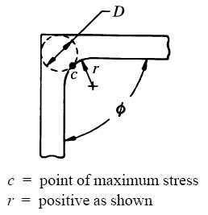

In these sections the stress concentration at the fillet radius is taken into consideration. The maximum torsional shear stress occurs at the fillet radius.

 |  |  |  |  |  |  |  |  |  |  | 1
 |  |  | is the peak stress at point 'c' |  |  | Equation 1

 |  |  |  |  |  | Equation 2 |  |  |  |  | 2

 |  |  |  |  |  |  |  | Equation 3 |  |  | 3

 | The terms in Equation 3 for the coefficient 'n' are:

 | D = diameter of the largest inscribed circle
 | r = fillet radius (use a positive value for r)
 | f = angle between segments in radians
 | A = cross sectional area of the segment, not the entire section

 |  |  |  |  | If you see errors on this spreadsheet it is because you do not have the XL-Viking Plugin, to find out more:
 |  |  |  |  | www.xl-viking.com
 |  |  |  | Author: | R. Abbott |  | Document Number: | AA-SM-002-002
 |  |  |  | Check: |  |  | Revision Level : | A |  | 1
 |  |  |  | Date: | Dec-09 |  | Page: | 2 of 6 | 2

 | TORSION CALCULATION FOR IRREGULAR SECTIONS
 | THICK-WALLED OPEN SECTIONS (continued)
 | (AFFDL-TR-69-42, 1986)
1. | Angle Segment

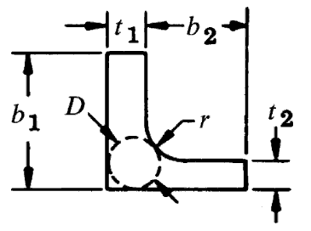
 |  |  | t₁ = | 0.12 | mm | t1 >= t2
 |  |  | t₂ = | 0.10 | mm
 |  |  | b₁ = | 1.10 | mm
 |  |  | b₂ = | 0.85 | mm
 |  |  | r = | 0.10 | mm
 |  |  | Φ = | 1.57 | radians

 | Segment Area
 | A = | b₁ × t₁ + b₂ × t₂ + r² × (1 - π / 4)
 | A = | 1.1 × 0.12 + 0.85 × 0.1 + 0.1² × (1 - π / 4)
 | A = | 0.219 | mm2
 | Diameter of the Largest Inscribed Circle
 | D = | 2 × (t₁ + t₂ + 3 × r - √[2 × t₁ × t₂ + 4 × r × (t₁ + t₂) + 8 × r²])
 | D = | 2 × (0.12 + 0.1 + 3 × 0.1 - √[2 × 0.12 × 0.1 + 4 × 0.1 × (0.12 + 0.1) + 8 × 0.1²])
 | D = | 0.164 | mm
 | Coefficient
 | a = | (t₂ / t₁) × (0.07 + 0.076 × r / t₁)
 | a = | (0.1 / 0.12) × (0.07 + 0.076 × 0.1 / 0.12)
 | a = | 0.111
 | Coefficient
 | n = | (D / (1 + π² × D⁴ / (16 × A²))) × (1 + (0.118 × LN[1 - 0.5 × D / r] - 0.238 × 0.5 × D / r) × TANH[2 × Φ / π])

 | n = | (0.164 / (1 + π² × 0.164⁴ / (16 × 0.219²))) × (1 + (0.118 × LN[1 - 0.5 × 0.164 / 0.1] - 0.238 × 0.5 × 0.164 / 0.1) × TANH[2 × 1.57 / π])

 | n = | 0.113
 | Coefficient
 | K₁ = | b₁ × t₁³ × (1 / 3 - 0.21 × (t₁ / b₁) × (1 - t₁⁴ / (12 × b₁⁴)))
 | K₁ = | 1.1 × 0.12³ × (1 / 3 - 0.21 × (0.12 / 1.1) × (1 - 0.12⁴ / (12 × 1.1⁴)))
 | K₁ = | 0.00059 | mm4
 | Coefficient
 | K₂ = | b₂ × t₂³ × (1 / 3 - 0.105 × (t₂ / b₂) × (1 - t₂⁴ / (192 × b₂⁴)))
 | K₂ = | 0.85 × 0.1³ × (1 / 3 - 0.105 × (0.1 / 0.85) × (1 - 0.1⁴ / (192 × 0.85⁴)))
 | K₂ = | 0.00027 | mm4
 | Torsional Constant
 | J = | K₁ + K₂ + a × D⁴
 | J = | (5.9E-04) + (2.73E-04) + 0.111 × 0.164⁴
 | J = | 0.00094 | mm4

 |  |  |  |  | If you see errors on this spreadsheet it is because you do not have the XL-Viking Plugin, to find out more:
 |  |  |  |  | www.xl-viking.com
 |  |  |  | Author: | R. Abbott |  | Document Number: | AA-SM-002-002
 |  |  |  | Check: |  |  | Revision Level : | A |  | 1
 |  |  |  | Date: | Dec-09 |  | Page: | 3 of 6 | 3

 | TORSION CALCULATION FOR IRREGULAR SECTIONS
 | THICK-WALLED OPEN SECTIONS (continued)
 | (AFFDL-TR-69-42, 1986)
 | Tee Segment

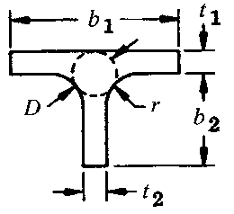
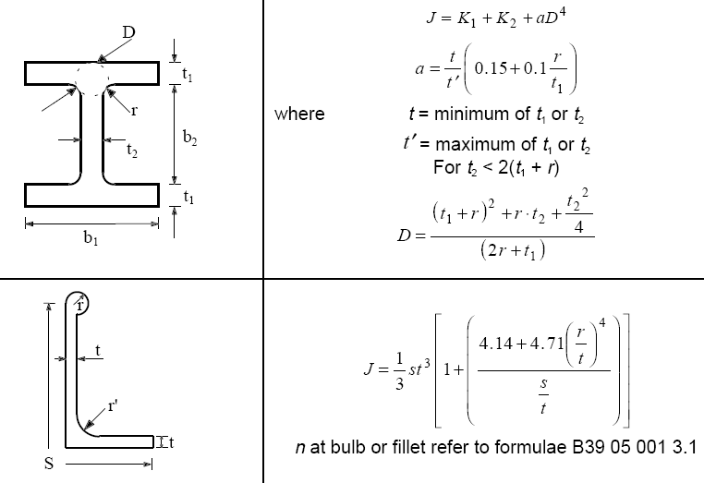
 |  |  | t1 = | 0.12 | mm
 |  |  | t2 = | 0.10 | mm
 |  |  | b1 = | 1.10 | mm
 |  |  | b2 = | 0.85 | mm
 |  |  | r = | 0.10 | mm
 |  |  | f = | 1.57 | radians

 | Segment Area
 | A = | b1 × t1 + b2 × t2 + 2 × r² × (1 - π / 4)
 | A = | 1.1 × 0.12 + 0.85 × 0.1 + 2 × 0.1² × (1 - π / 4)
 | A = | 0.221 | mm2
 | Diameter of the Largest Inscribed Circle
 | D = | ((t1 + r)² + (t2 / 2)² + t2 × r) / (t1 + 2 × r)
 | D = | ((0.12 + 0.1)² + (0.1 / 2)² + 0.1 × 0.1) / (0.12 + 2 × 0.1)
 | D = | 0.190 | mm
 | Coefficient
 | a = | IF[t1 > =t2,(t2 / t1) × (0.15 + 0.1 × r / t1),(t1 / t2) × (0.15 + 0.1 × r / t1)]
 | a = | IF[0.12 >= 0.1,(0.1 / 0.12) × (0.15 + 0.1 × 0.1 / 0.12),(0.12 / 0.1) × (0.15 + 0.1 × 0.1 / 0.12)]
 | a = | 0.194
 | Coefficient
 | n = | (D / (1 + π² × D⁴ / (16 × A²))) × (1 + (0.118 × LN[1 + 0.5 × D / r] + 0.238 × 0.5 × D / r) × TANH[2 × f / π])

 | n = | (0.19 / (1 + π² × 0.19⁴ / (16 × 0.221²))) × (1 + (0.118 × LN[1 + 0.5 × 0.19 / 0.1] + 0.238 × 0.5 × 0.19 / 0.1) × TANH[2 × 1.57 / π])

 | n = | 0.231 | mm
 | Coefficient
 | K1 = | b1 × t1³ × (1 / 3 - 0.21 × (t1 / b1) × (1 - t1⁴ / (12 × b1⁴)))
 | K1 = | 1.1 × 0.12³ × (1 / 3 - 0.21 × (0.12 / 1.1) × (1 - 0.12⁴ / (12 × 1.1⁴)))
 | K1 = | 0.00059 | mm4
 | Coefficient
 | K2 = | b2 × t2³ × (1 / 3 - 0.105 × (t2 / b2) × (1 - t2⁴ / (192 × b2⁴)))
 | K2 = | 0.85 × 0.1³ × (1 / 3 - 0.105 × (0.1 / 0.85) × (1 - 0.1⁴ / (192 × 0.85⁴)))
 | K2 = | 0.00027 | mm4
 | Torsional Constant
 | J = | K1 + K2 + a × D⁴
 | J = | (5.9E-04) + (2.73E-04) + 0.194 × 0.19⁴
 | J = | 0.00112 | mm4

 |  |  |  |  | If you see errors on this spreadsheet it is because you do not have the XL-Viking Plugin, to find out more:
 |  |  |  |  | www.xl-viking.com
 |  |  |  | Author: | R. Abbott |  | Document Number: | AA-SM-002-002
 |  |  |  | Check: |  |  | Revision Level : | A |  | 1
 |  |  |  | Date: | Dec-09 |  | Page: | 4 of 6 | 4

 | TORSION CALCULATION FOR IRREGULAR SECTIONS
 | THICK-WALLED OPEN SECTIONS (continued)
 | (AFFDL-TR-69-42, 1986)
 | Complex Section - Example

 |  |  |  |  |  | Section 1 - Angle

 |  |  |  |  |  | Section 2 - Tee

 |  | Segment 1 | Segment 2 | Segment 3 | Segment 4
 | type = | Angle | Tee | None | None | mm
 | t1 = | 0.12 | 0.12 | 0.00 | 0.00 | mm
 | t2 = | 0.10 | 0.10 | 0.00 | 0.00 | mm
 | b1 = | 1.10 | 1.10 | 0.00 | 0.00 | mm
 | b2 = | 0.85 | 0.85 | 0.00 | 0.00 | mm
 | r = | 0.10 | 0.10 | 0.00 | 0.00 | radians
 | f = | 1.57 | 1.57 | 0.00 | 0.00
 | A = | 0.219 | 0.221 | 0.00 | 0.00 | mm2
 | D = | 0.164 | 0.190 | 0.00 | 0.00 | mm
 | a = | 0.111 | 0.194 | 0.00 | 0.00
 | n = | 0.113 | 0.104 | 0.00 | 0.00 | mm
 | K1 = | 0.00059 | 0.00059 | 0.00 | 0.00 | mm4
 | K2 = | 0.00027 | 0.00027 | 0.00 | 0.00 | mm4
 | Ji = | 0.00094 | 0.00112 | 0.00 | 0.00 | mm4
 | Ti = | 13.7 | 16.3 | 0.0 | 0.0 | Nmm

 | T in the table above is the amount of torque on each segment, and it is a direct ratio
 | of the segment J to the total J.

 | J = | 0.0021 | mm4 | Torsional Constant of the Entire Section
 | To = | 30 | Nmm | Applied Torque

 | Torsional shear stresses are calculated from Equation 1:
 | fSA = | 1649 | MPa | Shear Stress at Point A
 | fSB = | 1514 | MPa | Shear Stress at Point B

 |  |  |  |  | If you see errors on this spreadsheet it is because you do not have the XL-Viking Plugin, to find out more:
 |  |  |  |  | www.xl-viking.com

C-Section Simple
Author: | R. Abbott |  | Total Pages: | 6
Check: |  |  | Report: | AA-SM-002-002
Date: | Dec-09 |  | Revision: | A
Section: |  |  | Section Title: | Torsion Calculation for Irregular Sections
Prefix: |  |  |  |  |  |  |  |  |  |  | 4

 |  |  |  | Author: | R. Abbott |  |  | Document Number: | AA-SM-002-002
 |  |  |  | Check: |  |  |  | Revision Level : | A |  | 1
 |  |  |  | Date: | Dec-09 |  |  | Page: | 5 of 6 | 5

 | TORSION CALCULATION FOR IRREGULAR SECTIONS
 | C-Section Analysis

 | Ref. Structural Analysis, With Application to Aerospace Structures. Bauchau & Craig
b
t₁
 |  |  |  |  |  | Material Properties
 |  |  |  |  |  | G = | 3900000 | psi

Shear Center
h
 |  |  |  |  |  | b = | 0.6 | in
 |  |  |  |  |  | h = | 1.2 | in
 |  |  |  |  |  | t₁ = | 0.1 | in
 |  |  |  |  |  | t₂ = | 0.12 | in
e
t₂
 |  |  |  |  |  | Applied Moment =
 |  |  |  |  |  | M = | 500 | inlb

 | Distance to shear center |  |  |  |  | Torsion Stresses
 | = | 3 × t₂ × b² / (h × t₁ + 6 × b × t₂) |  |  |  | Stress in Web:
 | = | 3 × 0.12 × 0.6² / (1.2 × 0.1 + 6 × 0.6 × 0.12) |  |  |  | = | G × t₁ × M / H
 | e = | 0.23 | in |  |  | = | 3900000 × 0.1 × 500 / 18296
 |  |  |  |  |  | = | 10658.3 | psi

 | Torsional Stiffness: |  |  |  |  | Stress in Flange:
 | = | G / 3 × (h × t₁² + 2 × b × t₂³) |  |  |  | = | G × t₂ × M / H
 | = | 3900000 / 3 × (1.2 × 0.1² + 2 × 0.6 × 0.12³) |  |  |  | = | 3900000 × 0.12 × 500 / 18296
 | H = | 18295.7 | inlb/rad |  |  | = | 12789.9 | psi

 |  |  |  |  | If you see errors on this spreadsheet it is because you do not have the XL-Viking Plugin, to find out more:
 |  |  |  |  | www.xl-viking.com

